Margin of Safety
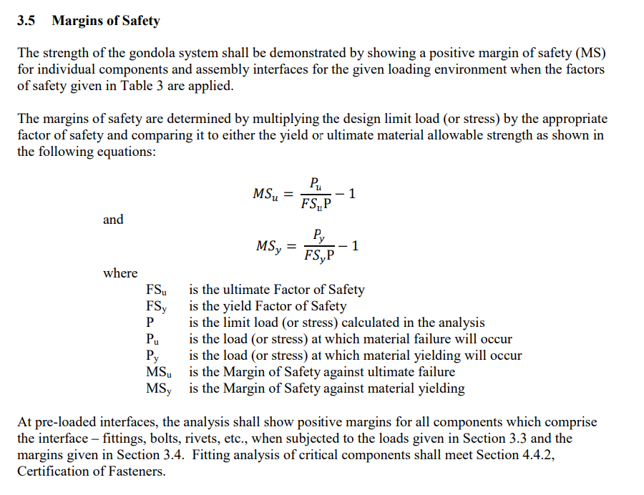
 |  |  |  |  | Case 1 8g Vertical
 |  |  |  |  |  |  |  |  | From NASA |  | Maximum From FEA |  | Minimum From FEA
 |  |  |  |  | Upper Gondola
 |  |  |  |  |  | MSu | 1.11 | FSu | 1.25 | P | 2.54E+02 | MPa | 1.48 | FOS
 |  |  |  |  |  | MSy | 0.22 | FSy | 1.40 | P | 2.54E+02 | MPa | 1.48 | FOS
 |  |  |  |  | Lower Gondola
 |  |  |  |  |  | MSu | 2.92 | FSu | 1.25 | P | 1.37E+02 | MPa | 1.62 | FOS
 |  |  |  |  |  | MSy | 1.27 | FSy | 1.40 | P | 1.37E+02 | MPa | 1.62 | FOS

 |  |  |  |  | Case 2 4g 30 Degree to Cable
 |  |  |  |  |  |  |  |  | From NASA |  | Maximum From FEA |  | Minimum From FEA
 |  |  |  |  | Upper Gondola
 |  |  |  |  |  | MSu | -0.90 | FSu | 1.25 | P | 2.58E+03 | MPa | 0.11 | FOS
 |  |  |  |  |  | MSy | -0.92 | FSy | 1.40 | P | 2.58E+03 | MPa | 0.11 | FOS
 |  |  |  |  | Lower Gondola
 |  |  |  |  |  | MSu | 5.48 | FSu | 1.25 | P | 8.27E+01 | MPa | 3.30 | FOS
 |  |  |  |  |  | MSy | 2.76 | FSy | 1.40 | P | 8.27E+01 | MPa | 3.30 | FOS

 |  |  |  |  | Case 3a 45 Degree to Vertical
Material Properties |  |  |  |  |  |  |  |  | From NASA |  | Maximum From FEA |  | Minimum From FEA
Aluminum 6061 Pu | 310 | MPa |  |  | Upper Gondola
Aluminum 6061 Py | 276 | MPa |  |  |  | MSu | -0.93 | FSu | 1.25 | P | 3.67E+03 | MPa | 0.08 | FOS
Aluminum 6061-T6; 6061-T651 (matweb.com) |  |  |  |  |  | MSy | -0.95 | FSy | 1.40 | P | 3.67E+03 | MPa | 0.08 | FOS
 |  |  |  |  | Lower Gondola
Cast Iron Pu | 344 | MPa |  |  |  | MSu | 3.67 | FSu | 1.25 | P | 1.15E+02 | MPa | 2.30 | FOS
Cast Iron Py | 276 | MPa |  |  |  | MSy | 1.71 | FSy | 1.40 | P | 1.15E+02 | MPa | 2.30 | FOS
https://www.matweb.com/search/datasheet.aspx?matguid=ec56a89f37f74e2f867a64b0f87f1e9d
 |  |  |  |  | Case 3b 45 Degree to Vertical
Steel 4130 Pu | 670 | MPa |  |  |  |  |  |  | From NASA |  | Maximum From FEA |  | Minimum From FEA
Steel 4130 Py | 435 | MPa |  |  | Upper Gondola
Overview of materials for Medium Alloy Steel (matweb.com) |  |  |  |  |  | MSu | -0.95 | FSu | 1.25 | P | 5.05E+03 | MPa | 0.05 | FOS
 |  |  |  |  |  | MSy | -0.96 | FSy | 1.40 | P | 5.05E+03 | MPa | 0.05 | FOS
Calculated in Workbook |  |  |  |  | Lower Gondola
Calculated in SolidWorks |  |  |  |  |  | MSu | 4.63 | FSu | 1.25 | P | 9.52E+01 | MPa | 2.80 | FOS
 |  |  |  |  |  | MSy | 2.26 | FSy | 1.40 | P | 9.52E+01 | MPa | 2.80 | FOS

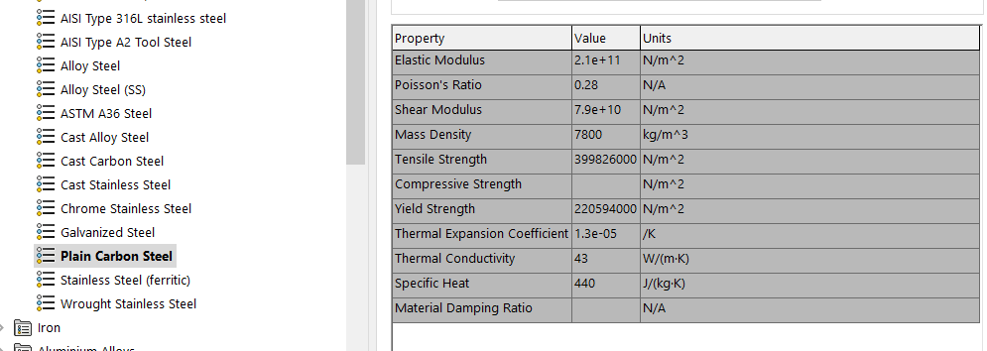
3/8 steel cable stiffness |  |  |  |  | Case 4 4g Side Load
 |  |  |  |  |  |  |  |  | From NASA |  | Maximum From FEA |  | Minimum From FEA
1 | N |  |  |  | Upper Gondola
8.15E-08 | mm |  |  |  |  | MSu | -0.95 | FSu | 1.25 | P | 5.10E+03 | MPa | 0.05 | FOS
 |  |  |  |  |  | MSy | -0.96 | FSy | 1.40 | P | 5.10E+03 | MPa | 0.05 | FOS
1.23E+07 | N/mm |  | 1.23E+10 | N/m | Lower Gondola
 |  |  |  |  |  | MSu | 4.31 | FSu | 1.25 | P | 1.01E+02 | MPa | 2.73 | FOS
 |  |  |  |  |  | MSy | 2.08 | FSy | 1.40 | P | 1.01E+02 | MPa | 2.73 | FOS

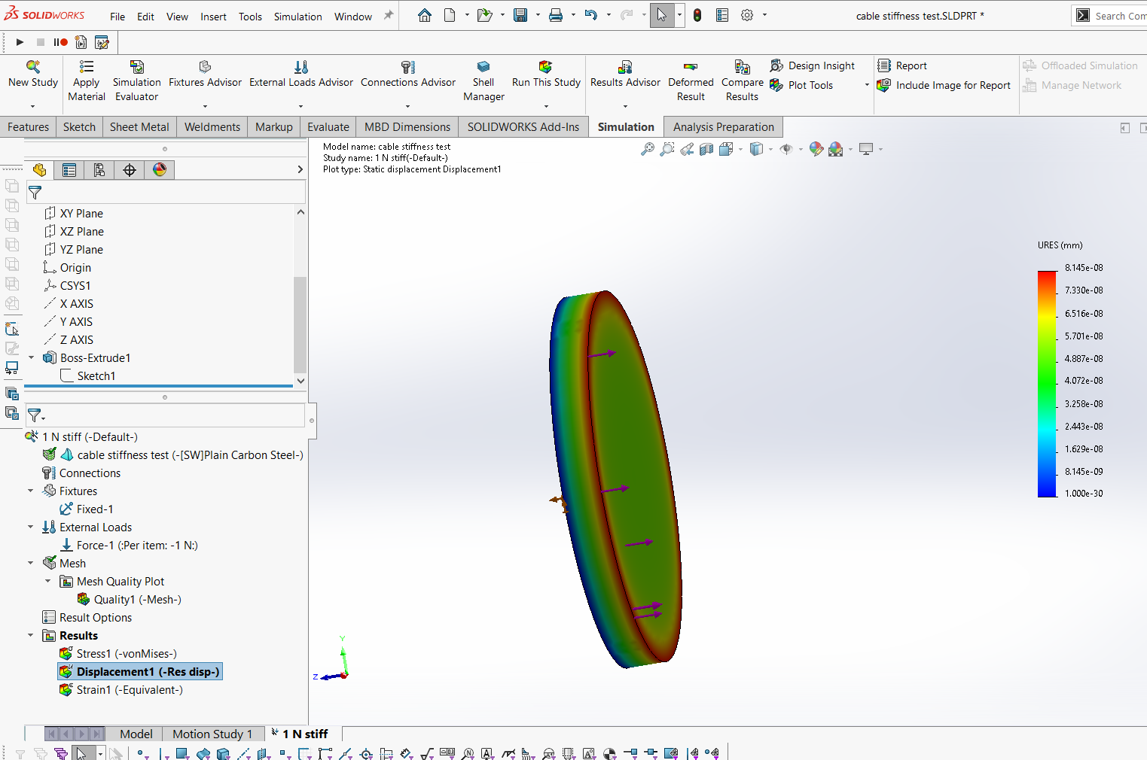

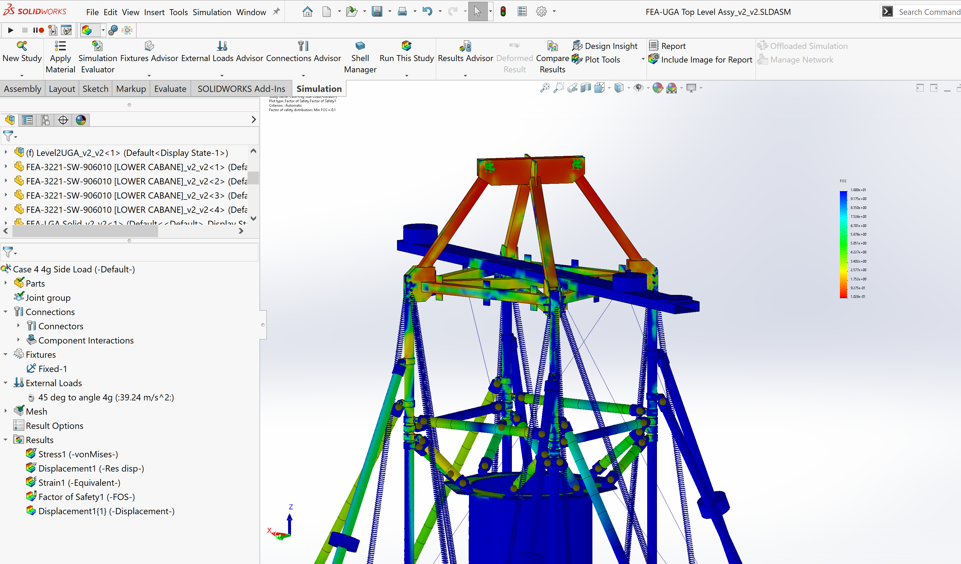

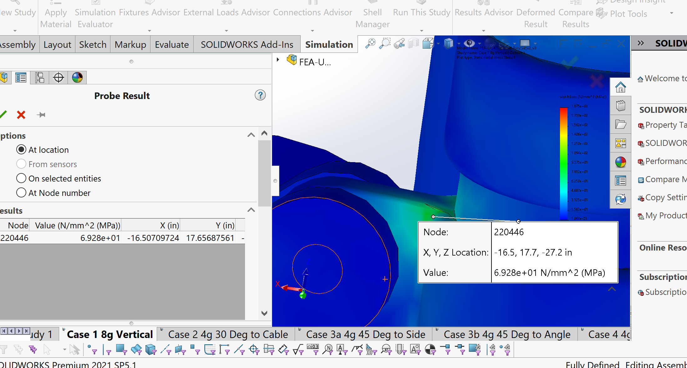

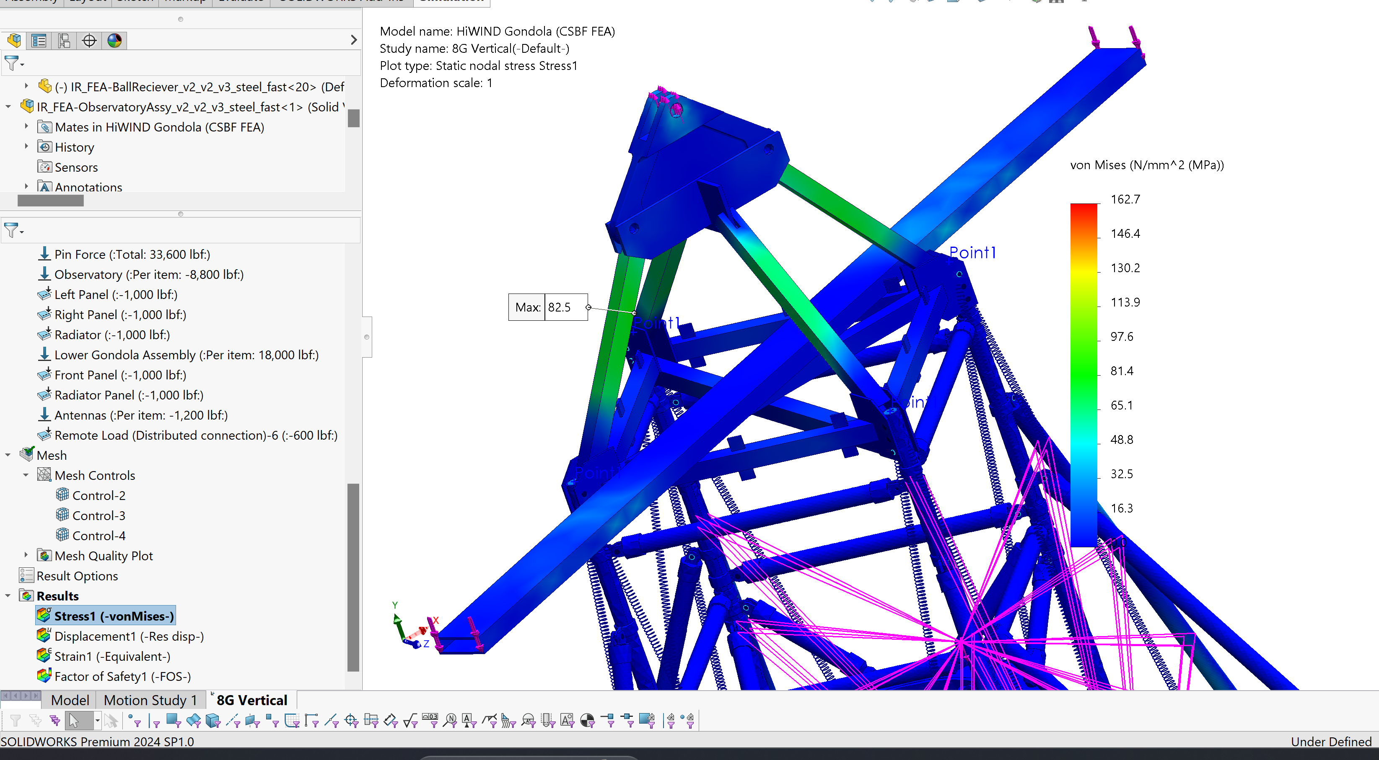

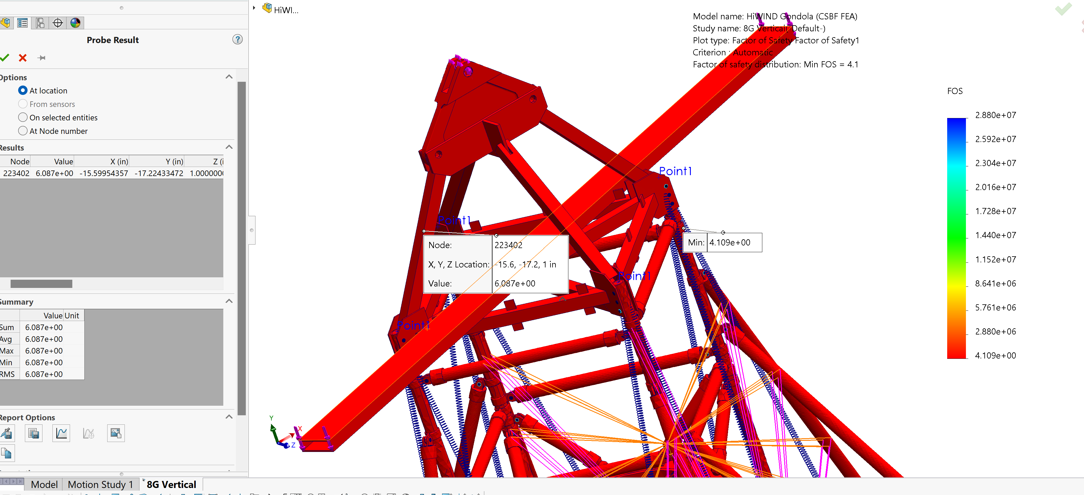

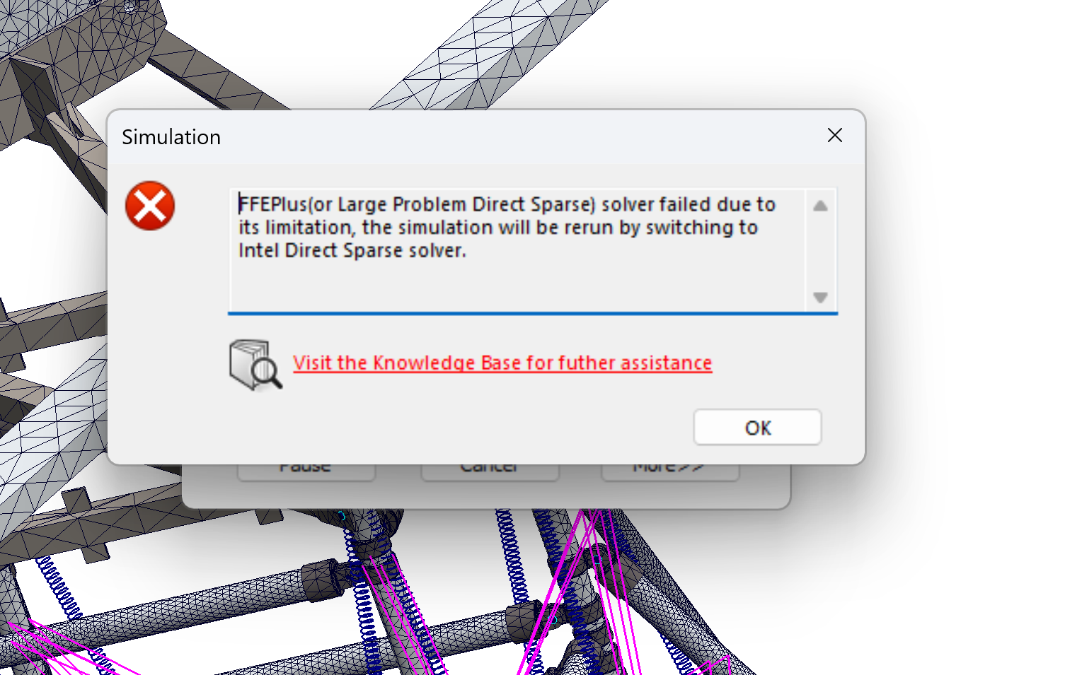
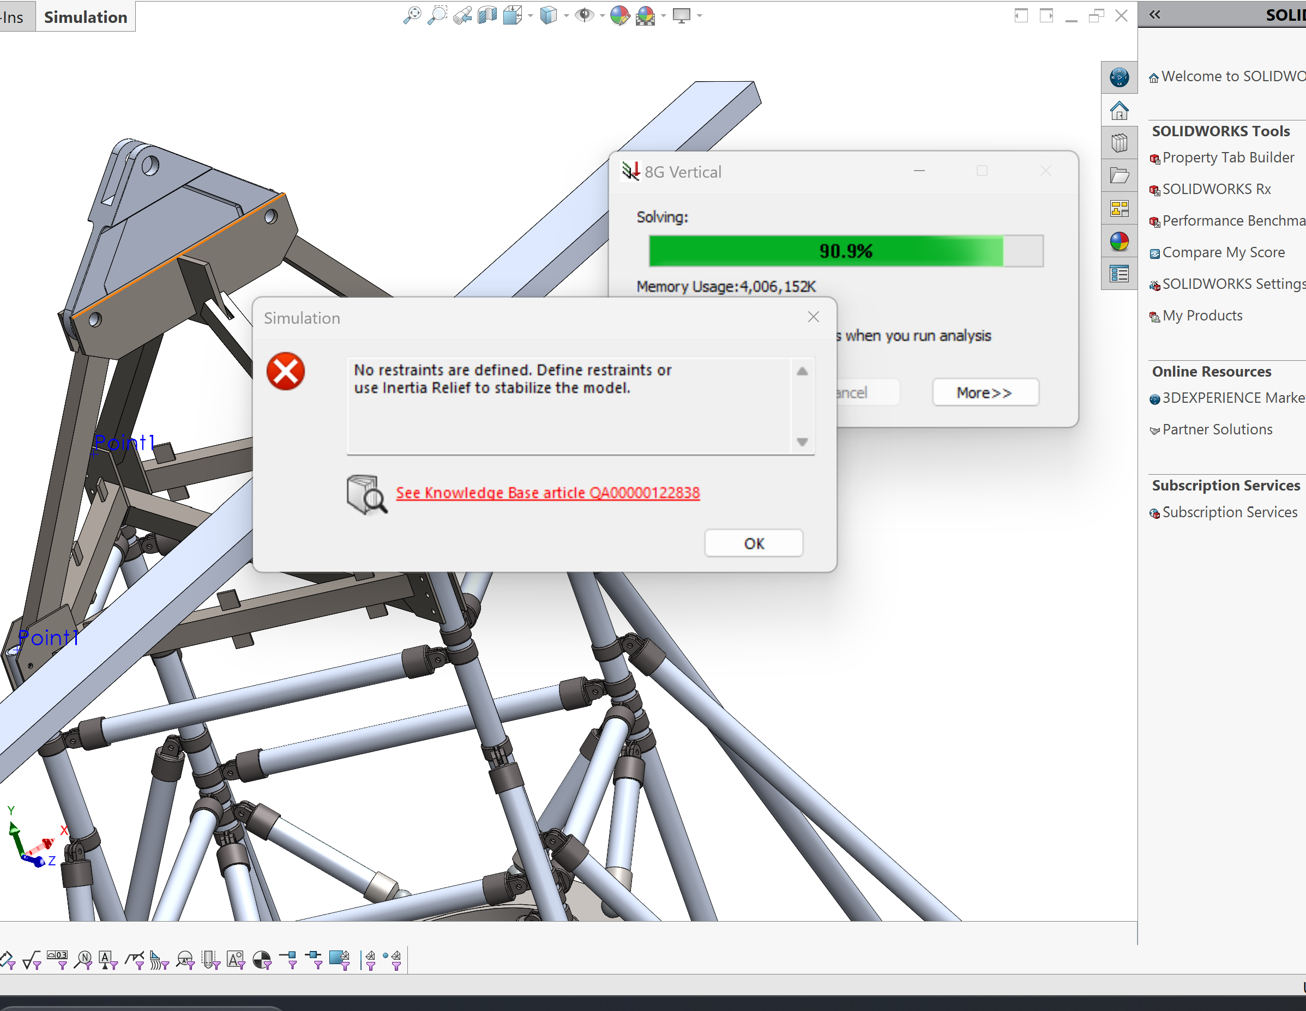

Inertial Relief Changes
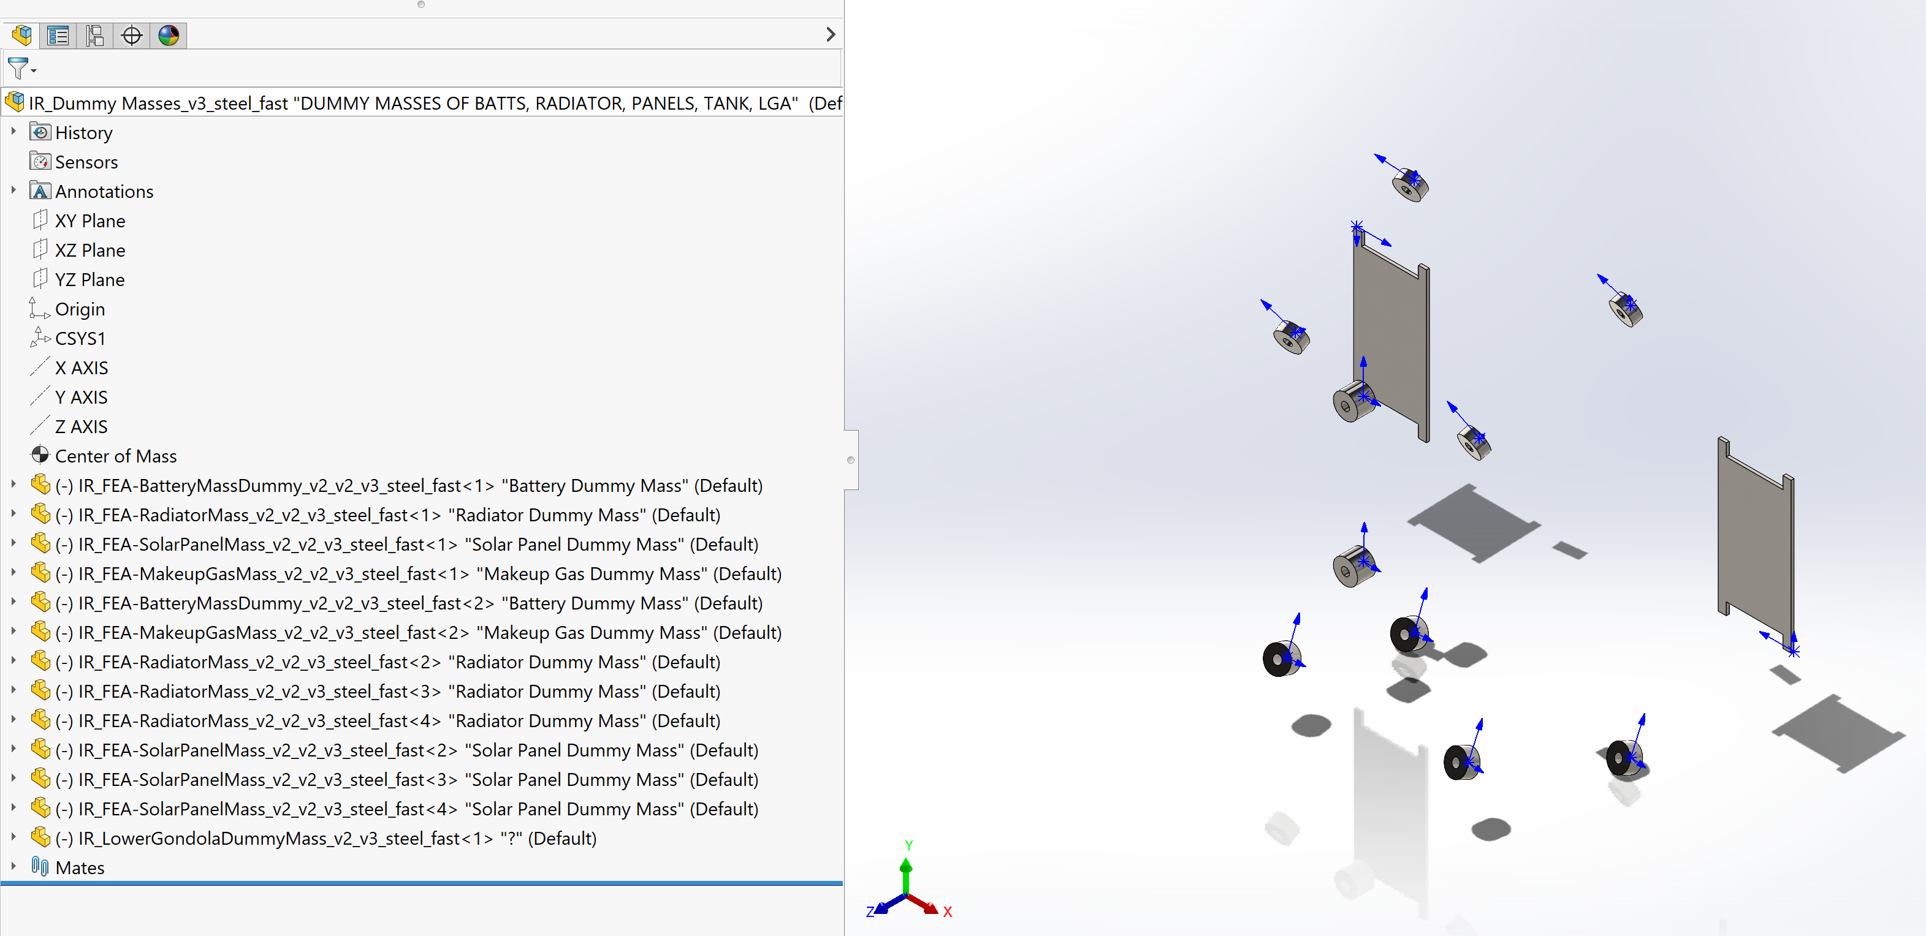
 | from center of origin in the UGA model
Mass Description | X [mm] | Y [mm] | Z [mm] | Mass [kg] | Force/Direction Replacement [N]
Model including Lower Gondola and Antennaes |  |  |  | 1677 |  | 8g [N] | 4g [N]
Lower Gondola | 0 | 0 | 2423 | 1045.4 | 10255.374 | 82042.992 | 41021.496
Batteries added into Lower Gondola |  |  |  | 150 | 1471.5 | 11772 | 5886
Radiator Total | 0 | -1000 | -1500 | 56 | 549.36 | 4394.88 | 2197.44
Makeup Gas | -500 | -250 | -1500 | 30 | 294.3 | 2354.4 | 1177.2
Radiator Side Panel | 0 | -1800 | -2000 | 40 | 392.4 | 3139.2 | 1569.6
Left Panel | -2200 | 0 | -2000 | 40 | 392.4 | 3139.2 | 1569.6
Right Panel | 2200 | 0 | -2000 | 40 | 392.4 | 3139.2 | 1569.6
Front Panel | 0 | 1800 | -2000 | 40 | 392.4 | 3139.2 | 1569.6
Starlink | attached |  |  |  | 13.6
Total Antennae on Both Faces of tube |  |  |  | 60 | 588.6 | 4708.8 | 2354.4
 |  |  |  |  |  | 106057.872
total HiWind including remote masses | total HiWind |  | kg | 1923 | 18864.63 | N
 |  |  |  |  | 150917.04 | 8g | case
3/26/2024 add starlink and add another 100 lbs distributed |  |  |  |  | 75458.52 | 4g | case
 | 6118
 |  |  |  |  |  | 44859.168
 |  | 4 parts of radiator
1677 |  | 14 |  | 306
kg in model
 |  | 4 parts of front panel
 |  | 10 | 10 | 10
 |  |  | sides | radiator side

add 2 feet to the rectangle tube
centered in the top frame |  |  |  | chaning attachment point, adding masses for 2 per tube

20 lbs on one leg of the top for starlink |  |  | old rad panel dummy mass |  |  | 9125 | grams
 |  |  | old rad dummy mass |  |  | 14000 | grams
 |  |  |  |  |  | 23125
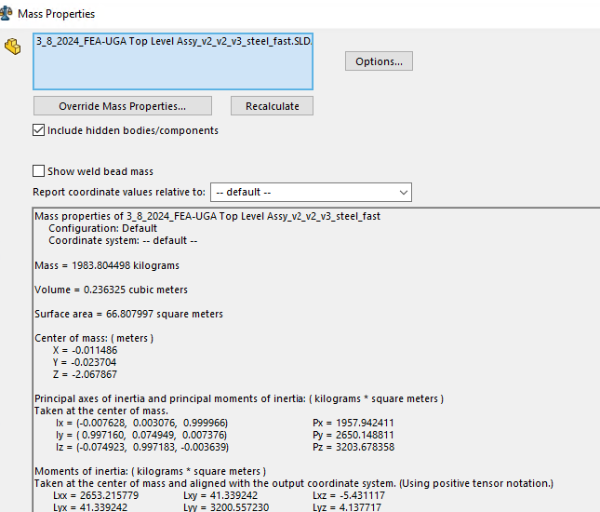
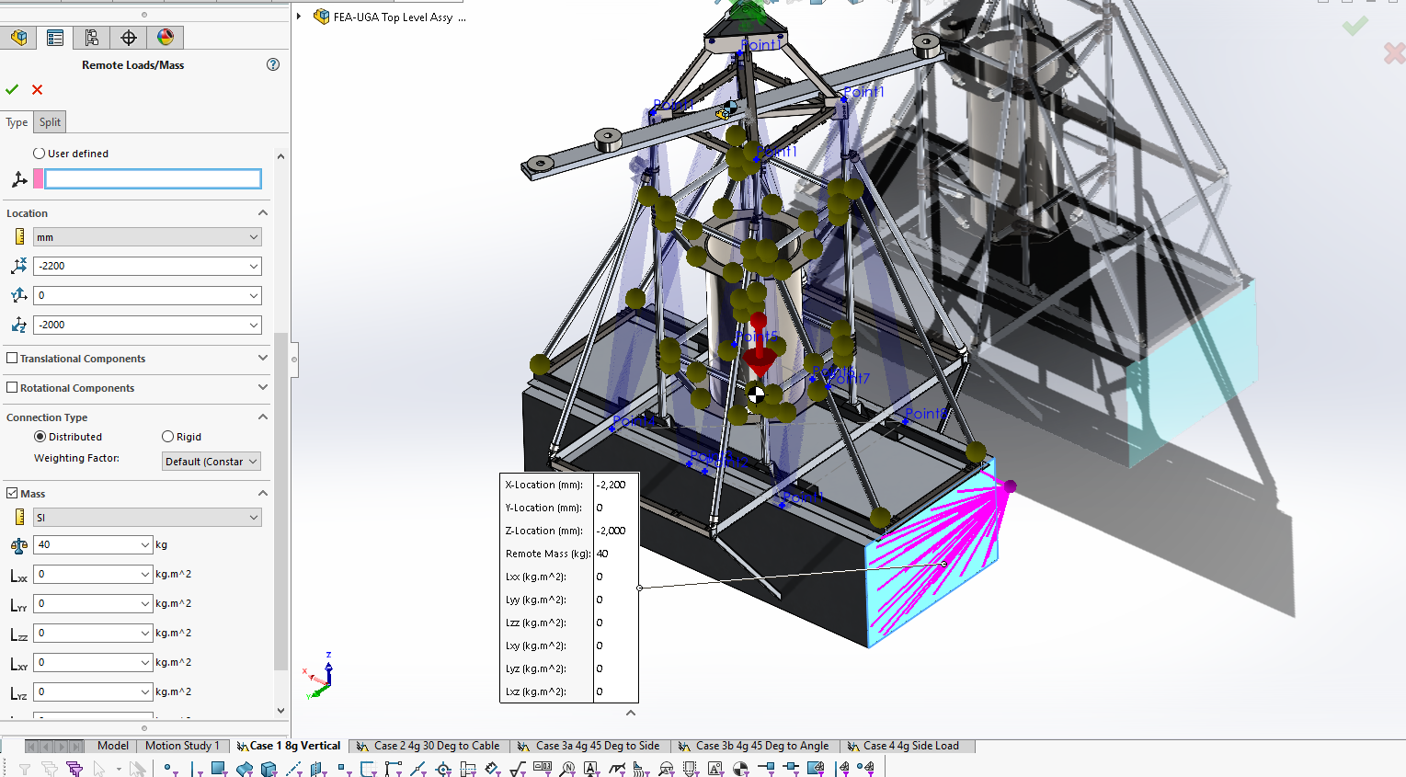
 |  |  | old side panel

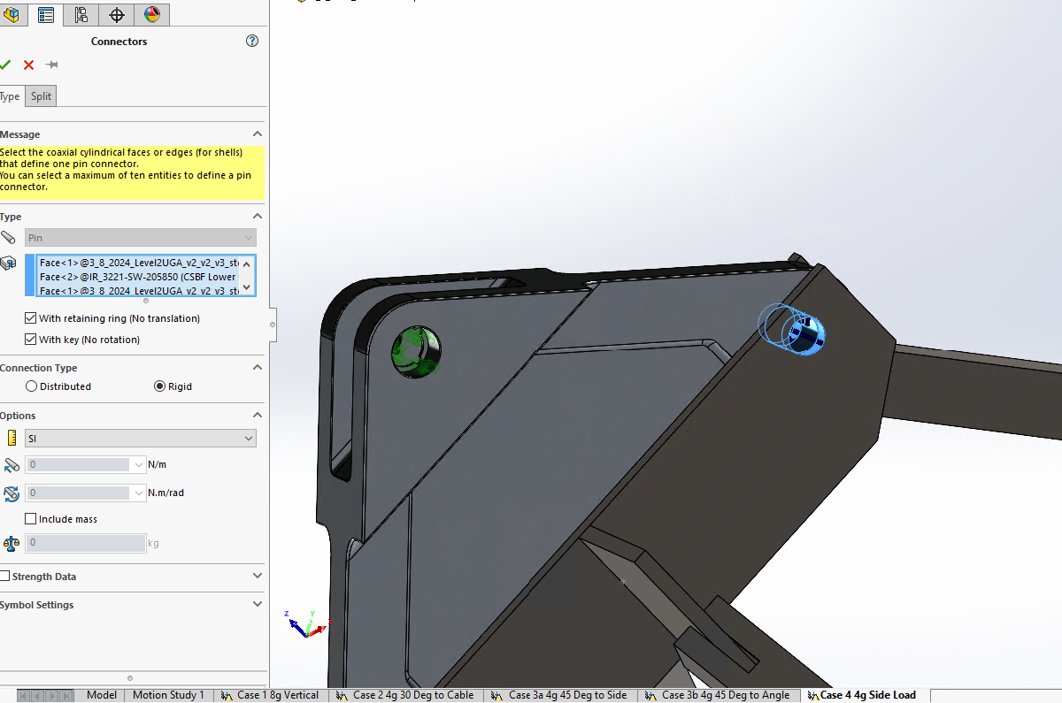

Kee Clamp Change
adding steel bolt to kee clamps

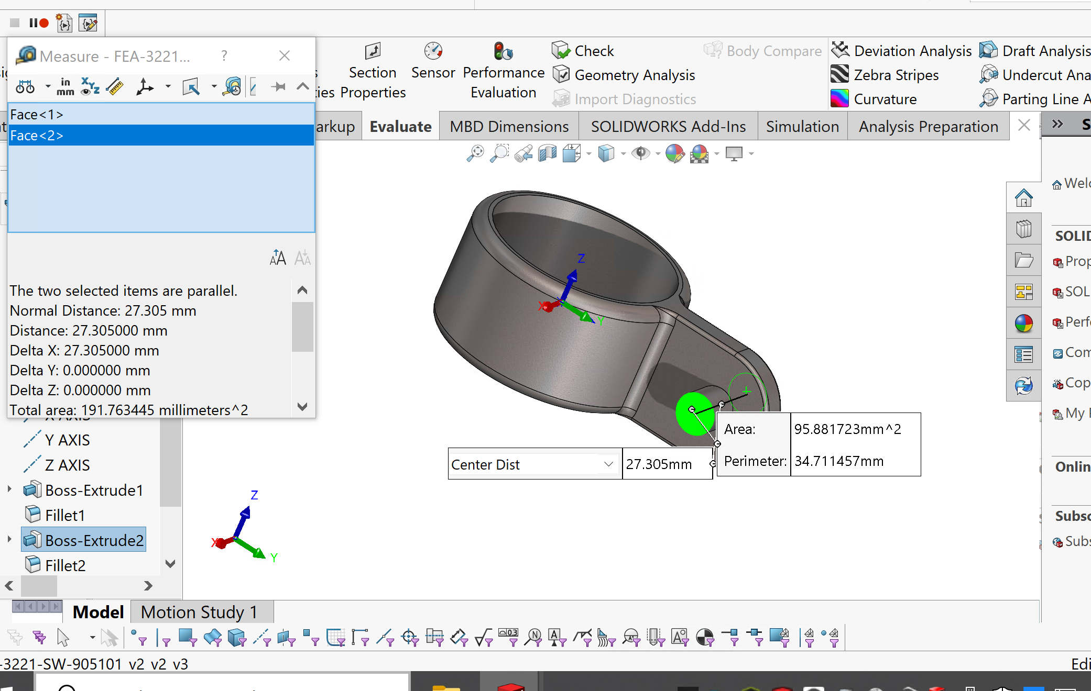
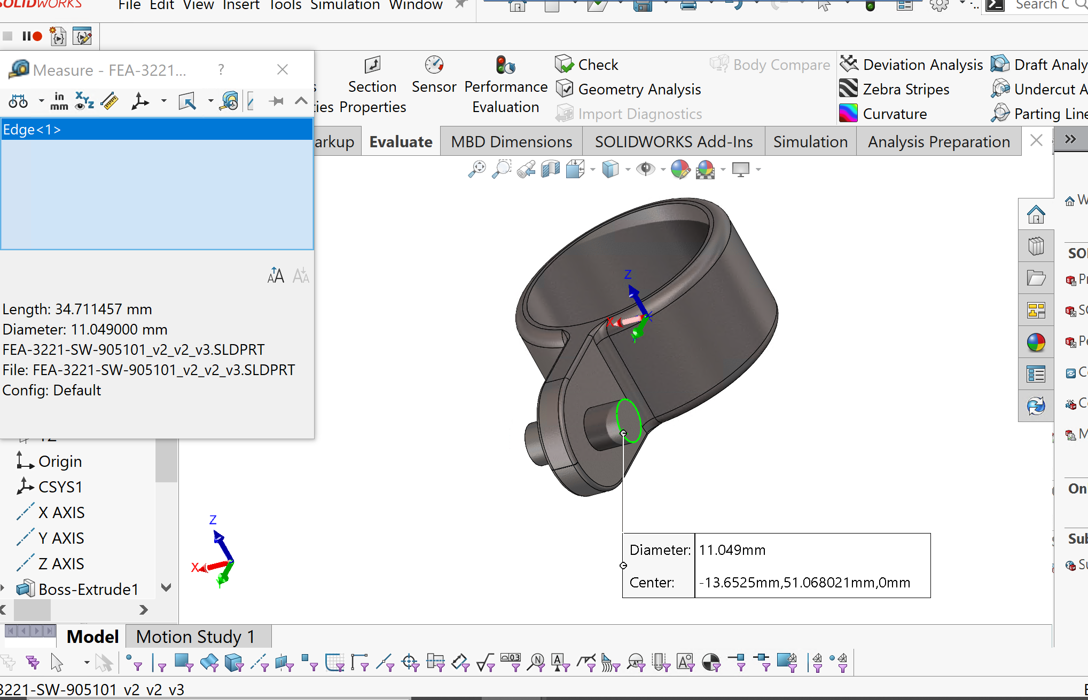

Overwritten masses
 | lbs | grams
Left Panel Assembly (Frame,Panels, and Hardware) : | 53.62 | 24500
Left Internal Structure with Kickstands : | 25 | 12000 | 36500

Right Panel Assembly ( Frame, Panels and Hardware) : | 53.62 | 24500
Right Internal Structure with Kick stands: | 25 | 12000

Radiator Panel Assembly (Frame, Panels, Hardware and Kickstands): | 60 | 28000

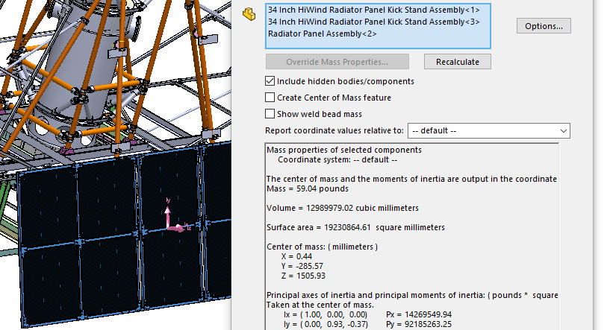
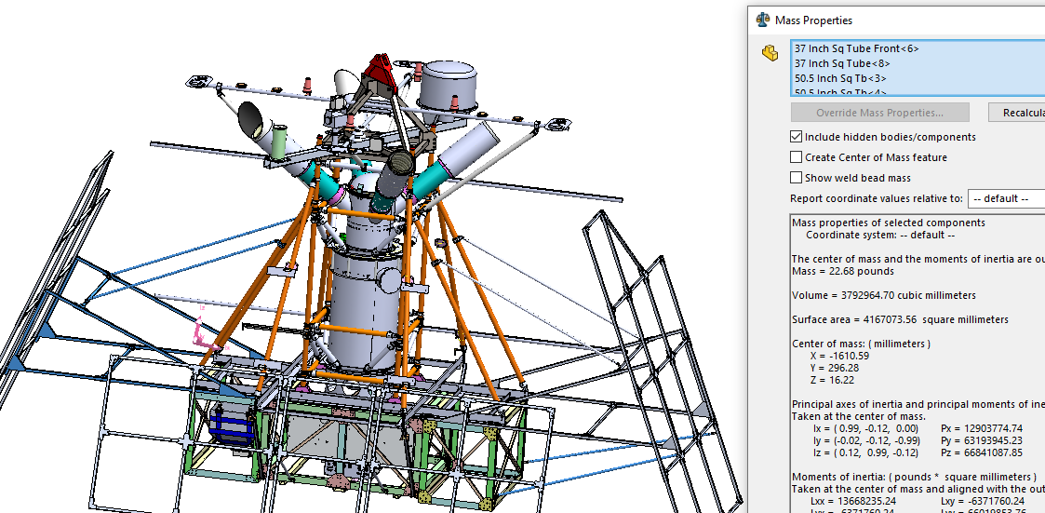
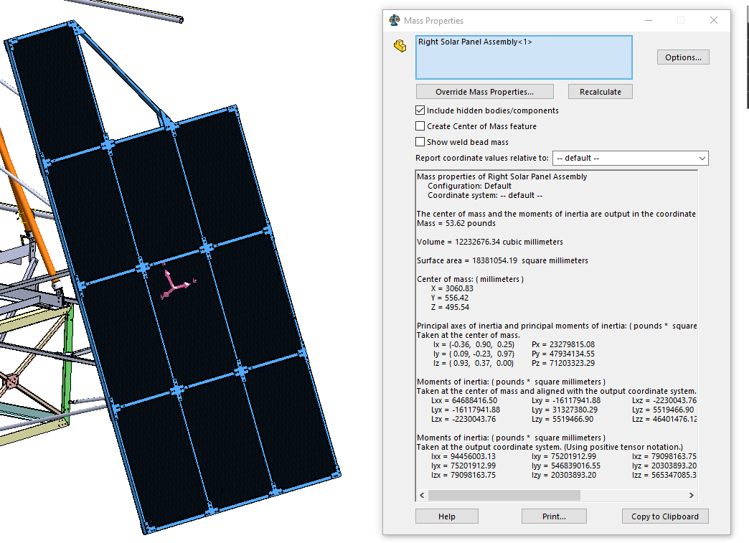

Notes from Feb NASA Meeting
Andrew Carlile <acarlile@ucar.edu> | Feb 6, 2024, 2:31 PM (5 days ago)

to Qian, Scott
Qian and Sewell,

Summary, it went fine. I think they think that some of the constraints I had in the model were a bit too stringent, and they had some suggestions to change that I can get done over the next few days. They were very open about the parts of the design (from them) that weren't done. They also mentioned that starlink isn't certain yet.

To do:
Could we get pictures of the recovered gondola from the 2018 flight?
Send updated report and model next week (2/12/24 ish)
Add keep out zones for the observatory ports on the drawings.

Initial opening: discussion on grandfathering in the design, overview of previous flight
I did a brief overview of the structural report

New loads

What was the recovery like? Any damage?

Could we get pictures of the recovered gondola from the 2018 flight?

Were all the parts we didn't replace checked? Or recertified, they don't want to discuss grandfathering yet. The report shows perhaps the model is overconstrained?

Could we loosen the constraints on the trapeze? What if we changed the fixed to a different constraint? What if we added a component that resulted in a single point suspension or universal joint? (That makes a lot of sense to me)

Probably have to run with the inertial relief.

Pitfalls of that path: definitely suggest using the triplate in the model, then we disregard the stresses in it and just have it as the BC. Tricky part is the inertial relief case (with dummy masses) can change the paradigm to applying a force instead of having a dummy mass model. If you apply inertial relief on gravity loaded assembly it just cancels. So we could potentially convert to force loads from dummy mass models.

Discussion on the UGA vs the LGA, UGA is the problem.

The dummy masses could be causing a problem.

Mass was about 2350 lbs but the actual thing would be about 4500 lbs with everything (Including super pressure team added)

both ballast systems (with hopper) 1200 lbs, and another 300-400 lbs of weight for the panels frame

additional svbi electronics added on
 |  | 915123.4951
remote mass or remote load may work better, but inertial relief may not like that

send updated report and model next week (2/12/24 ish)

some of the tables in the report FOS had -1 in the response make notes on why that was or the divide by 0 problem

ballast hoppers may not be final at this point

kW power system isn't quite done on the constraints for the existing volume, can we get that confirmed (from NASA)

Antennas are not completely designed

Need keep out zones on drawing

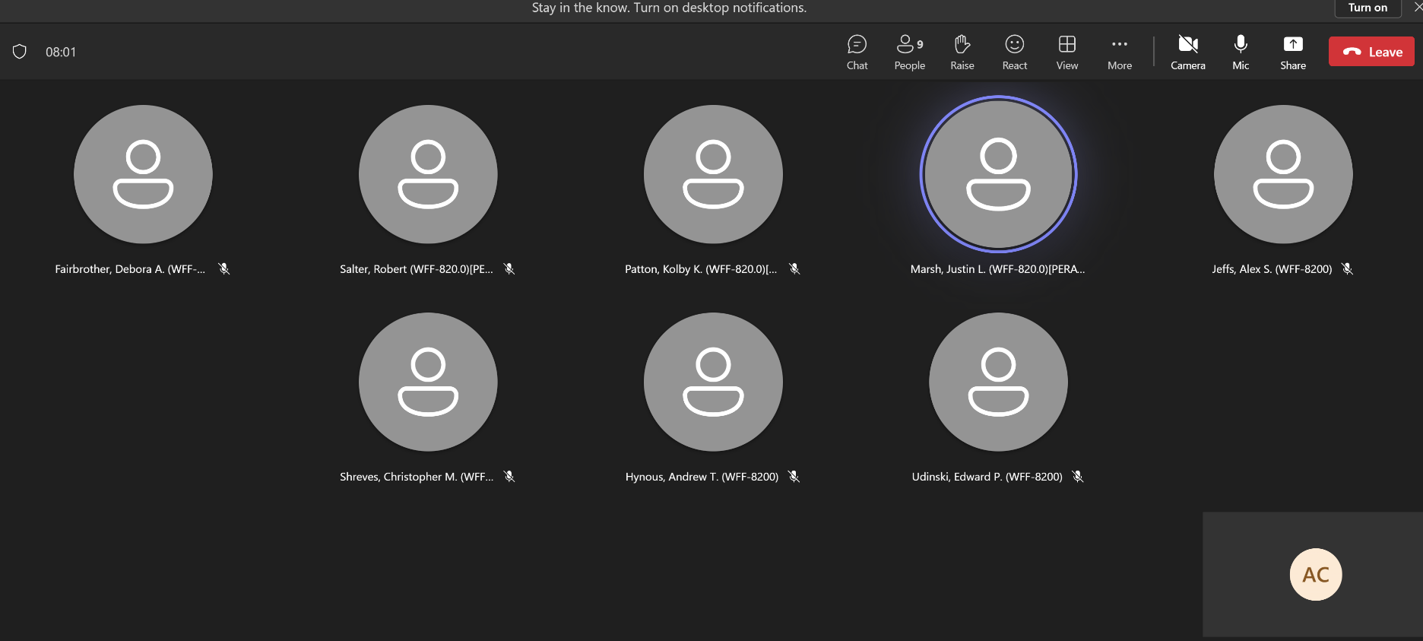
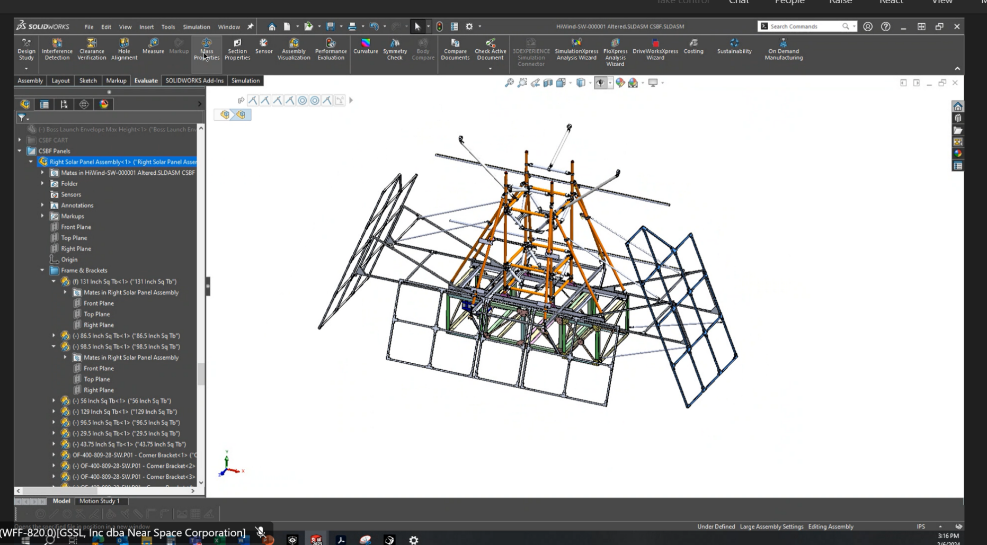

mesh settings
