Mounting Adhesive Calculation
bondline thickness calculation
 |  |  |  |  | v | 0
radius | 12.7 | mm |  |  |  | 0.025
BK7 CTE | 7.10E-06 |  | Titanium CTE | 8.90E-06 |  | 0.05
Calcite Radial CTE | 8.00E-06 |  | SS CTE | 1.80E-05 |  | 0.075
Athermal Bond Thickness BK7 to Aluminum
Aluminum CTE | 2.10E-05 |  | RTV CTE | 3.00E-05 |  | 0.1
2216 CTE | 1.02E-04 |  |  |  |  | 0.125
 | BK7 to aluminum 2216 |  |  |  |  | 0.15 | BK7 to aluminum RTV
 | Bayar | Deluzio | Muench/Vanbezooijen |  |  | 0.175 | Bayar | Deluzio | Muench/Vanbezooijen
 | 2.18E+00 | 2.18E+00 | 2.50E+00 |  |  | 0.2 | 1.96E+01 | 1.96E+01 | -123.88070175
 | 2.05E+00 | 2.06E+00 | 2.3427205444 |  |  | 0.225 | 1.68E+01 | 1.80E+01 | -519.59773585
 | 1.92E+00 | 1.96E+00 | 2.1961499427 |  |  | 0.25 | 1.45E+01 | 1.65E+01 | 219.93901639
 | 1.81E+00 | 1.85E+00 | 2.0602823121 |  |  | 0.275 | 1.27E+01 | 1.52E+01 | 87.967811448
 | 1.70E+00 | 1.76E+00 | 1.9339866099 |  |  | 0.3 | 1.13E+01 | 1.41E+01 | 53.856610169
 | 1.60E+00 | 1.66E+00 | 1.8162857353 |  |  | 0.325 | 1.00E+01 | 1.30E+01 | 38.198145286
 | 1.51E+00 | 1.58E+00 | 1.7063312011 |  |  | 0.35 | 9.01E+00 | 1.21E+01 | 29.206909976
 | 1.42E+00 | 1.49E+00 | 1.6033826464 |  |  | 0.375 | 8.12E+00 | 1.12E+01 | 23.372076229
 | 1.34E+00 | 1.41E+00 | 1.5067911443 |  |  | 0.4 | 7.36E+00 | 1.04E+01 | 19.279726962
 | 1.26E+00 | 1.34E+00 | 1.4159855101 |  |  | 0.425 | 6.68E+00 | 9.67E+00 | 16.250720119
 | 1.18E+00 | 1.26E+00 | 1.3304609974 |  |  | 0.45 | 6.09E+00 | 8.99E+00 | 13.91826544
 | 1.11E+00 | 1.20E+00 | 1.2497699115 |  |  | 0.475 | 5.56E+00 | 8.37E+00 | 12.066870949
 | 1.05E+00 | 1.13E+00 | 1.1735137702 |  |  | 0.5 | 5.09E+00 | 7.79E+00 | 10.561623932
 | 9.85E-01 | 1.07E+00 | 1.1013367223 |  |  |  | 4.66E+00 | 7.25E+00 | 9.3137469468
 | 9.25E-01 | 1.00E+00 | 1.0329199955 |  |  |  | 4.27E+00 | 6.74E+00 | 8.262430243
 | 8.68E-01 | 9.46E-01 | 0.96797718923 |  |  |  | 3.92E+00 | 6.27E+00 | 7.3646224447
 | 8.14E-01 | 8.90E-01 | 0.90625026738 |  |  |  | 3.60E+00 | 5.83E+00 | 6.5889891135
 | 7.62E-01 | 8.37E-01 | 0.84750613161 |  |  |  | 3.31E+00 | 5.42E+00 | 5.9121805606
Athermal Bond Thickness Calcite to Aluminum
 | 7.12E-01 | 7.85E-01 | 0.79153367981 |  |  |  | 3.04E+00 | 5.03E+00 | 5.316440794
 | 6.65E-01 | 7.35E-01 | 0.73814127134 |  |  |  | 2.79E+00 | 4.66E+00 | 4.788027123
 | 6.19E-01 | 6.87E-01 | 0.68715453484 |  |  |  | 2.56E+00 | 4.32E+00 | 4.3161369193

 | Calcite to aluminum 2216
 | Bayar | Deluzio | Muench/Vanbezooijen
 | 2.04E+00 | 2.04E+00 | 2.3171929825
 | 1.91E+00 | 1.93E+00 | 2.1727349418
 | 1.80E+00 | 1.82E+00 | 2.0389340266
 | 1.69E+00 | 1.72E+00 | 1.9146528757
 | 1.59E+00 | 1.63E+00 | 1.7989104116
 | 1.50E+00 | 1.54E+00 | 1.6908558888
 | 1.41E+00 | 1.46E+00 | 1.5897479468
 | 1.33E+00 | 1.38E+00 | 1.4949375772
 | 1.25E+00 | 1.30E+00 | 1.4058541778
 | 1.18E+00 | 1.23E+00 | 1.3219940592
 | 1.11E+00 | 1.16E+00 | 1.2429109159
 | 1.04E+00 | 1.10E+00 | 1.1682078809
 | 9.80E-01 | 1.04E+00 | 1.0975308642
 | 9.21E-01 | 9.76E-01 | 1.0305629407
 | 8.65E-01 | 9.20E-01 | 0.96701959901
 | 8.12E-01 | 8.65E-01 | 0.90664470071
 | 7.61E-01 | 8.13E-01 | 0.84920702958
 | 7.12E-01 | 7.63E-01 | 0.79449733236
 | 6.66E-01 | 7.16E-01 | 0.74232577151
 | 6.22E-01 | 6.70E-01 | 0.69251972436
 | 5.79E-01 | 6.25E-01 | 0.644921875

 | BK7 to SS 2216
 | Bayar | Deluzio | Muench/Vanbezooijen
 | 1.65E+00 | 1.65E+00 | 1.8256511705
 | 1.55E+00 | 1.56E+00 | 1.7170294983
 | 1.46E+00 | 1.48E+00 | 1.6158316695
 | 1.38E+00 | 1.41E+00 | 1.5213217495
 | 1.30E+00 | 1.33E+00 | 1.4328579643
 | 1.22E+00 | 1.26E+00 | 1.3498781082
 | 1.15E+00 | 1.20E+00 | 1.2718875828
 | 1.09E+00 | 1.14E+00 | 1.1984495311
 | 1.03E+00 | 1.08E+00 | 1.1291766505
 | 9.67E-01 | 1.02E+00 | 1.0637243602
 | 9.11E-01 | 9.64E-01 | 1.0017850681
 | 8.58E-01 | 9.12E-01 | 0.94308333823
 | 8.08E-01 | 8.62E-01 | 0.88737179487
 | 7.60E-01 | 8.14E-01 | 0.83442763856
 | 7.14E-01 | 7.68E-01 | 0.78404966779
 | 6.71E-01 | 7.23E-01 | 0.73605572393
 | 6.29E-01 | 6.81E-01 | 0.69028049034
 | 5.90E-01 | 6.40E-01 | 0.64657358989
 | 5.52E-01 | 6.01E-01 | 0.60479793466
 | 5.15E-01 | 5.63E-01 | 0.5648282897
 | 4.81E-01 | 5.27E-01 | 0.52655001902

 | Calcite to SS 2216
 | Bayar | Deluzio | Muench/Vanbezooijen
 | 1.51E+00 | 1.51E+00 | 1.660130719
 | 1.42E+00 | 1.43E+00 | 1.5629536131
 | 1.34E+00 | 1.36E+00 | 1.4722391702
 | 1.26E+00 | 1.29E+00 | 1.3873634485
 | 1.19E+00 | 1.22E+00 | 1.3077803204
 | 1.12E+00 | 1.16E+00 | 1.2330097087
 | 1.06E+00 | 1.10E+00 | 1.1626278945
 | 9.98E-01 | 1.04E+00 | 1.0962594821
 | 9.41E-01 | 9.88E-01 | 1.0335707019
 | 8.87E-01 | 9.36E-01 | 0.97426379609
 | 8.36E-01 | 8.86E-01 | 0.91807228916
 | 7.87E-01 | 8.38E-01 | 0.86475698521
 | 7.41E-01 | 7.92E-01 | 0.8141025641
 | 6.97E-01 | 7.48E-01 | 0.76591467501
 | 6.55E-01 | 7.06E-01 | 0.7200174444
 | 6.15E-01 | 6.66E-01 | 0.6762513312
 | 5.77E-01 | 6.27E-01 | 0.63447127394
 | 5.41E-01 | 5.89E-01 | 0.59454508447
 | 5.06E-01 | 5.53E-01 | 0.55635205098
 | 4.73E-01 | 5.18E-01 | 0.51978171896
 | 4.41E-01 | 4.85E-01 | 0.48473282443

Athermal bondline thickness for BK7 optics to Titanium mount using 3M 2216
 | BK7 to Titanium 2216
nu | Bayar | Deluzio | Muench/Vanbezooijen
0 | 2.82E-01 | 2.46E-01 | 0.32391073326 | 0.012752391073
0.025 | 2.65E-01 | 2.33E-01 | 0.30337388345 | 0.011943853679
0.05 | 2.49E-01 | 2.22E-01 | 0.28439351776 | 0.011196595187
0.075 | 2.34E-01 | 2.11E-01 | 0.26679914833 | 0.010503903478
0.1 | 2.21E-01 | 2.01E-01 | 0.25044430919 | 0.0098600121729
0.125 | 2.08E-01 | 1.91E-01 | 0.23520246932 | 0.0092599397369
0.15 | 1.95E-01 | 1.81E-01 | 0.22096375267 | 0.0086993603412
0.175 | 1.84E-01 | 1.72E-01 | 0.20763228514 | 0.0081744994151
0.2 | 1.73E-01 | 1.63E-01 | 0.19512403308 | 0.0076820485463
0.225 | 1.63E-01 | 1.55E-01 | 0.18336503008 | 0.0072190956724
0.25 | 1.53E-01 | 1.47E-01 | 0.17228991333 | 0.0067830674538
0.275 | 1.44E-01 | 1.39E-01 | 0.16184070796 | 0.0063716814159
0.3 | 1.36E-01 | 1.32E-01 | 0.15196581197 | 0.0059829059829
0.325 | 1.28E-01 | 1.24E-01 | 0.1426191439 | 0.0056149269251
0.35 | 1.20E-01 | 1.18E-01 | 0.13375942388 | 0.0052661190503
0.375 | 1.12E-01 | 1.11E-01 | 0.12534956407 | 0.0049350222076
0.4 | 1.05E-01 | 1.05E-01 | 0.11735614973 | 0.0046203208556
0.425 | 9.86E-02 | 9.85E-02 | 0.10974899546 | 0.0043208265929
Athermal bondline thickness for BK7 optics to Titanium mount using 3M 2216
0.45 | 9.22E-02 | 9.26E-02 | 0.10250076429 | 0.0040354631611
0.475 | 8.61E-02 | 8.69E-02 | 0.095586639454 | 0.0037632535218
0.5 | 8.02E-02 | 8.13E-02 | 0.088984040483 | 0.0035033086804

Ideal 1 calcite piece
Calcite properties

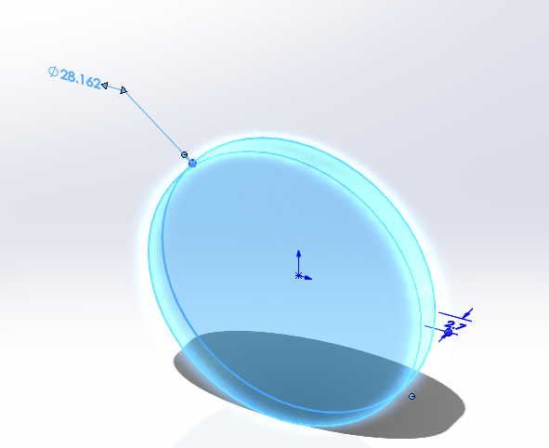
8.82E+10 | N/m^2 | E in X | 8.00E+04 | N/m^2 | stress upper limit
7.20E+10 | N/m^2 | E in Y | 35 | C | temp low | 308.15 | K
7.20E+10 | N/m^2 | E in Z | 45 | C | temp high | 318.15 | K
2.81E+00 | kg/m^3 | density | 10 | degrees | delta T
2.50E-05 | per Kelvin | Thermal exp X | 28.162 | mm | diameter
5.80E-06 | per Kelvin | Thermal exp Y | 2.7 | mm | thickness
5.80E-06 | per Kelvin | Thermal exp Z
5.53E+00 | W/(m*K) | thermal cond X
4.65E+00 | W/(m*K) | thermal cond Y
4.65E+00 | W/(m*K) | thermal cond Z
8.34E+02 | J/(kg*K) | specific heat

growth from delta T |  |  | FEA
7.04E-03 | mm | FEA looks good | 7.15E-03 | mm
1.63E-03 | mm | FEA looks good | 1.61E-03 | mm
1.57E-04 | mm | FEA is a bit off | 3.06E-04 | mm

Stress in a floating example is well below, and now we have an idea of the starting point.

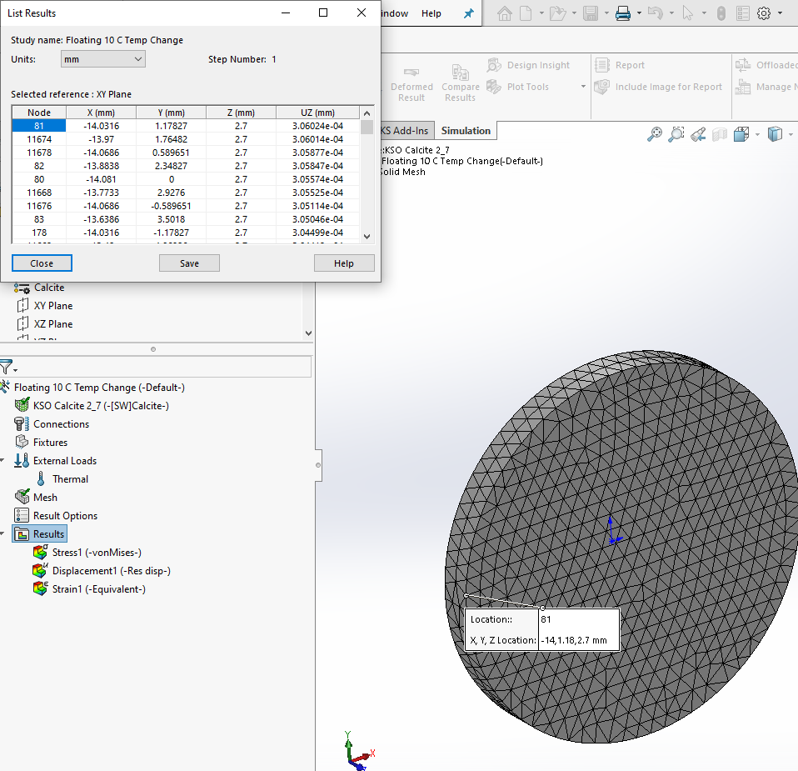
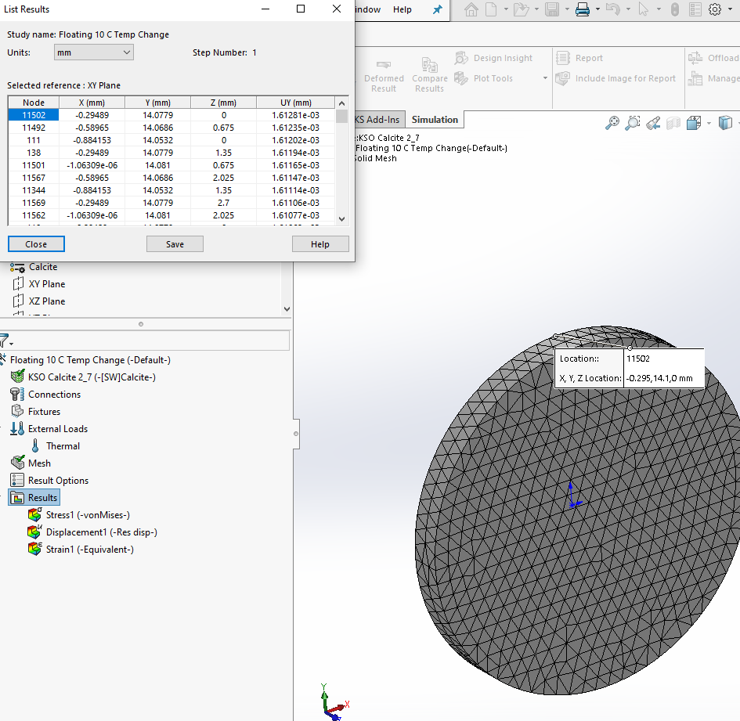

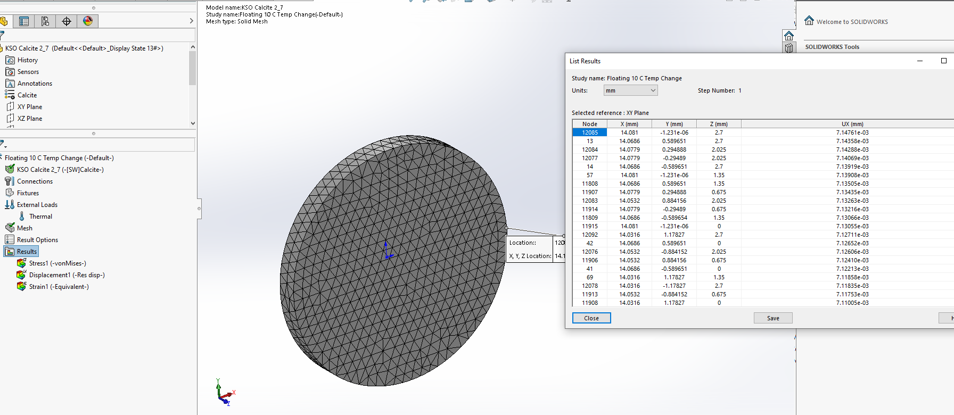

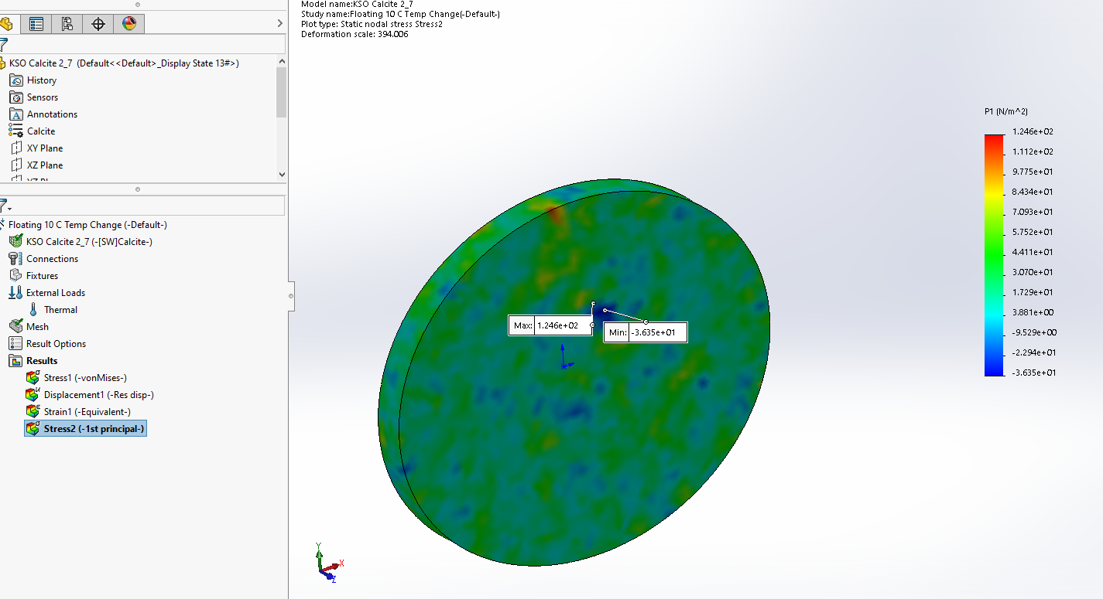

Energy Hitting FiltersWindow
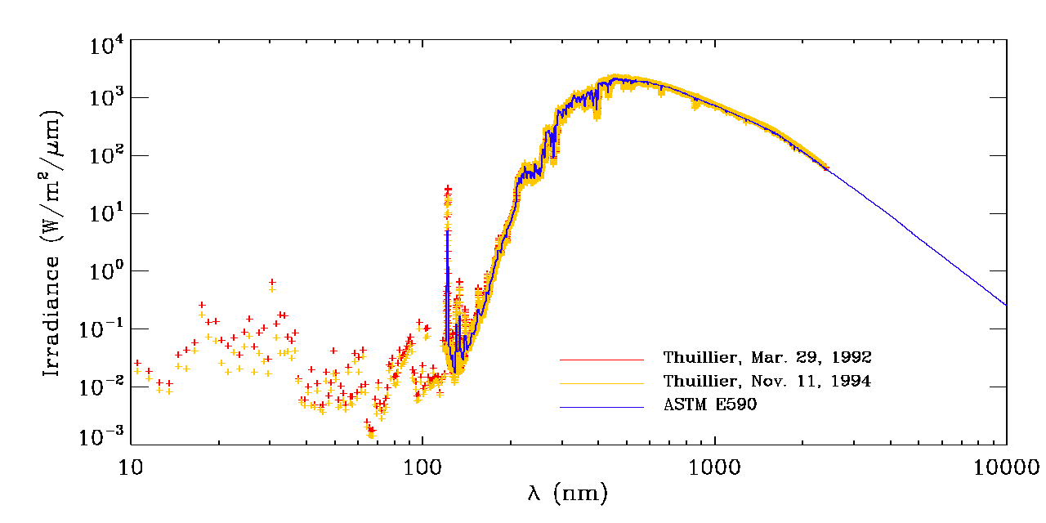
 |  |  |  |  |  |  | thuill_astme590_lambda.png (1280×640) (nasa.gov)
100mm diameter objective lens

7853.98 | mm^2 | Area on face of lens, adding 10% for safety

1366 W/m2 | NASA - SOLAR IRRADIANCE

0.007853981634 | m^2 | Area converter to multiply by irradiance
10.73 | Watts

25 | mm | diameter of beam hitting filters
490.87 | mm^2 | area of beam
0.00049087385212 | m^2 | area of beam

Heat rejection filter
650nm CWL, 50mm Dia. Hard Coated OD 4.0 50nm Bandpass Filter (edmundoptics.com)

625 | 675 | 50 | nm width | 1 micron = 1000 nanometer
using 1000 W/m^2/um to be safe
effectively, the filter allows 1 W/m^2/nm
1
0.95 | transmission of th 50 nm width
 |  |  |  |  | kW = (WT x Cp x Δ T)/3412 x h |  |  | Δ T | 3447.1102404
heat rejection lets how many Watts through? |  |  |  |  | (3412 x h *kW)/(WT x Cp) = Δ T)
0.37 |  |  |  |  | Where:
 |  |  |  |  | kW = your kilowatt requirement
heat rejection absorbs? |  |  |  |  | WT= the weight of the material to be heated, in lbs.
10.36 | Watts |  | 21096 |  | Cp = the specific heat of the material to be heated, in BTU/lb°F
 |  |  |  |  | Δ T = Temperature Rise, in °F
 |  |  |  |  | 3412 = Conversion Factor, BTU/kWh
range of prefilter <1 nm |  |  |  |  | h = how long it should take to reach the temperature set point, in hours
approximately calculating Wattage
0.0037306412761 | Watts allowed through |  |  |  | WT | 0.05
 |  |  |  |  | Cp | 0.205
prefilter absorbs |  |  |  |  | factor | 3412
0.37 |  |  |  |  | h | 1

Lyot window Wattage estimate we will use 0.1 W just to be safe

Lyot Internal Heat Flow
 | Estimates of Radiation vs Conduction vs Convection from heaters to the optics in the Lyot filter

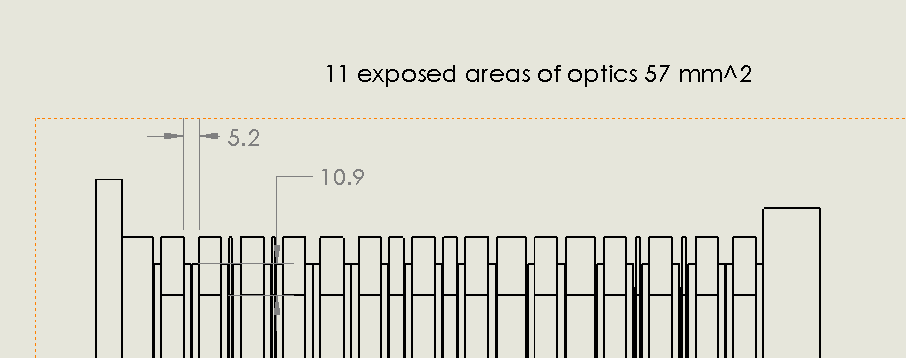
 | Radiation driving equation

$$\dot{q}=σ\frac{\left(T_{1}^{4}−T_{2}^{4}\right)}{1/{ε_{1}}+ 1/{ε_{2}} −1}$$

 | T1 | 35 | C
 | T2 | 0 | C | starting from coldest
 | ϵ1 | 0.9 |  |  | Emissitivity of Common Materials (omega.co.uk)
 | ϵ2 | 0.9
 | σ | 5.67E-08 | W/(m^2*K^4)

 | T1 | 308.15 | K
 | T2 | 273.15 | K

Heat Transfer by Type
Radiation Watts | 4.80E+00
Conduction Watts | 7.08E+01
Convection Watts | 3.15E+00
exposed optic to heater area |  | 0.000228 | m^2 | 4 of the drawing's areas
exposed to all hot elements |  | 0.03 | m^2
 | q rate | 3.65E-02 | Watts | just optic to heater
 | q rate | 4.80E+00 | Radiation Watts | all surfaces

 | Conduction driving equations

 | TC alum | 1.67E+02 | W/(m*K)
 | TC 2216 | 0.395 | W/(m*K)
 | TC BK7 | 1.114 | W/(m*K)
 | TC series | 1.69E+02 | W/(m*K)

 | T1 | 308.15 | K
 | T2 | 273.15 | K

 | total area | 0.0007539 | m^2
 | t of 2216 | 0.002 | m
 | t of BK7 | 0.0508 | m
 | t of Al | 0.01 | m
 | total t | 0.0628 | m

 | q rate | 7.08E+01 | Conduction Watts

 | Convection driving equations

 | Air h | 3 | W/(m^2 * K)
exposed to all hot elements |  | 0.03 | m^2

 | T1 | 308.15 | K
 | T2 | 273.15 | K

 | q | 3.15 | Convection Watts

 | Heater Total Wattage Estimate

 | Heater | 78.8 | Watts

spring plunger calc
 |  |  |  |  |  |  |  |  |  | Lyot Filter Design
mix of classwork and KSO final, calculations are good |  |  |  |  |  |  |  |  |  |  | Element | Material | Diameter | Thickness

delta T for stack survival | 55 | C
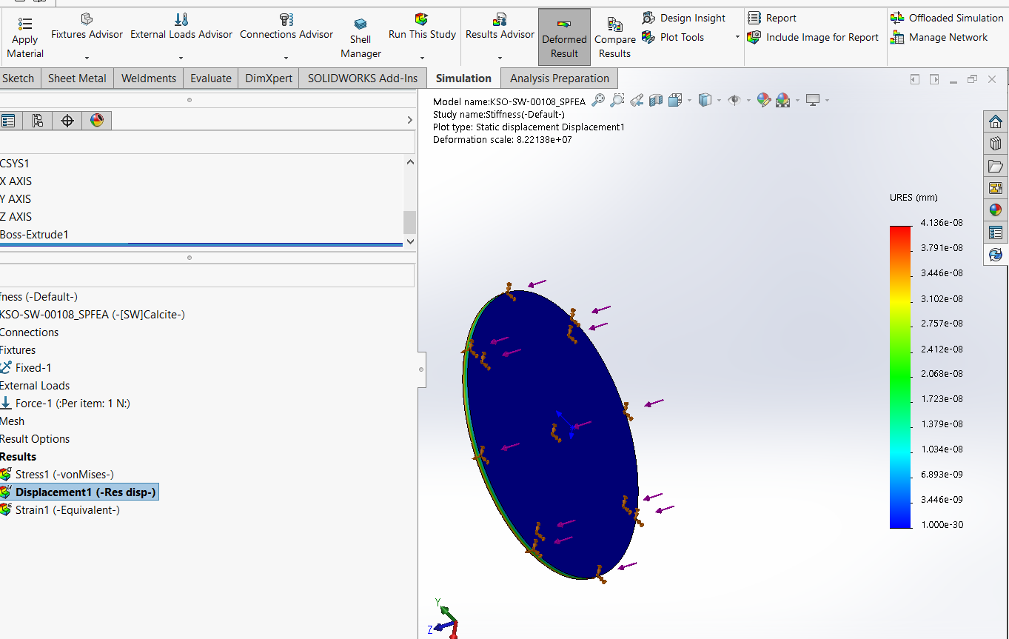

name | material | thickness | stiffness (N/mm) | 1/stiffness | CTE axial | Growth by delta T (mm) |  |  |  |  |  |  | (mm) | (mm)
 |  |  | from FEA
gasket |  |  | 4.30E+02 | 2.33E-03
window | N-BK7 | 10.000 | 1.63E+07 | 6.12E-08 | 0.0000083 | 4.57E-03
polarizer | N-BK7 | 13.000 | 1.15E+07 | 8.67E-08 | 0.0000083 | 5.93E-03
quarter-waveplate |  | 13.000 | 1.15E+07 | 8.67E-08 | 0.0000083 | 5.93E-03
crystal | calcite | 2.700 | 2.32E+07 | 4.32E-08 | 0.00003 | 4.45E-03
half-waveplate |  | 13.000 | 1.15E+07 | 8.67E-08 | 0.0000083 | 5.93E-03
crystal | calcite | 2.700 | 2.32E+07 | 4.32E-08 | 0.00003 | 4.45E-03
polarizer | N-BK7 | 13.000 | 1.15E+07 | 8.67E-08 | 0.0000083 | 5.93E-03
crystal | calcite | 10.800 | 6.05E+06 | 1.65E-07 | 0.00003 | 1.78E-02
half-waveplate |  | 13.000 | 1.15E+07 | 8.67E-08 | 0.0000083 | 5.93E-03
crystal | calcite | 10.800 | 6.05E+06 | 1.65E-07 | 0.00003 | 1.78E-02
polarizer | N-BK7 | 13.000 | 1.15E+07 | 8.67E-08 | 0.0000083 | 5.93E-03
crystal | calcite | 5.400 | 1.48E+07 | 6.75E-08 | 0.00003 | 8.91E-03
half-waveplate |  | 13.000 | 1.15E+07 | 8.67E-08 | 0.0000083 | 5.93E-03
crystal | calcite | 5.400 | 1.48E+07 | 6.75E-08 | 0.00003 | 8.91E-03
quarter-waveplate |  | 13.000 | 1.15E+07 | 8.67E-08 | 0.0000083 | 5.93E-03
half-waveplate |  | 13.000 | 1.15E+07 | 8.67E-08 | 0.0000083 | 5.93E-03
polarizer | N-BK7 | 13.000 | 1.15E+07 | 8.67E-08 | 0.0000083 | 5.93E-03
crystal | calcite | 1.350 | 5.91E+07 | 1.69E-08 | 0.00003 | 2.23E-03
half-waveplate |  | 13.000 | 1.15E+07 | 8.67E-08 | 0.0000083 | 5.93E-03
crystal | calcite | 1.350 | 5.91E+07 | 1.69E-08 | 0.00003 | 2.23E-03
quarter-waveplate |  | 13.000 | 1.15E+07 | 8.67E-08 | 0.0000083 | 5.93E-03
polarizer | N-BK7 | 13.000 | 1.15E+07 | 8.67E-08 | 0.0000083 | 5.93E-03
window |  | 10.000 | 1.63E+07 | 6.12E-08 | 0.0000083 | 4.57E-03
gasket |  |  | 4.30E+02 | 2.33E-03
Optics cap | delrin | 5.000 | 2.00E+04 | 5.00E-05 |  |  |  | come back to calculate thickness of whole stack
 |  |  |  |  |  |  |  | 2.78E-03
Totals |  |  | 3.89E+08 | 2.13E+02 |  | 0.153

total axial stiffness | 2.13E+02 | N/mm | stiffness of 1 aluminum rib | 66.00 | N/mm | stiffness of 1 steel rib | 183.55 | N/mm
 |  |  | 4 aluminum ribs together | 264.00 | N/mm | 4 steel ribs together | 734.21 | N/mm | this makes sense, CTE Al is 21, CTE Steel of 16
 |  |  | axial growth of rib if aluminum | 0.28 | mm | axial growth of rib if steel | 0.2 | mm | fea has this axial growths slightly worse than 1 D calculation
growth from z estimate 55 C delta T | 1.53E-01 | mm |  |  |  |  | working on matching this exactly
axial growth of rib if steel | 0.2 | mm |  |  |  | this is done
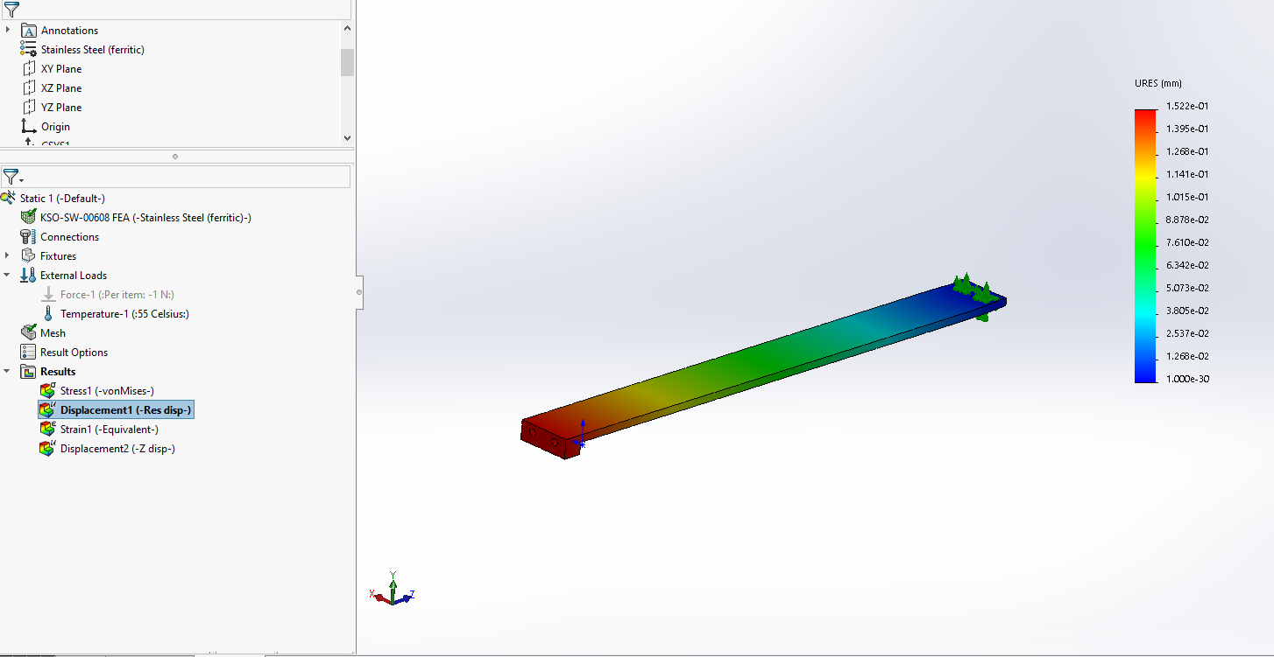
difference | 4.69E-02 | mm
preload from 55 C delta T | 9.97 | N | 2.24 |  | lbs

margin for index m fluid | 2.000 | N | 0.45 |  | lbs

preload for assembly analysis | 11.972 | N | 2.69 |  | lbs

per spring 4 total | 1.5 mm compression engagement
 | 1.5 | mm
 | 0.0591 | in
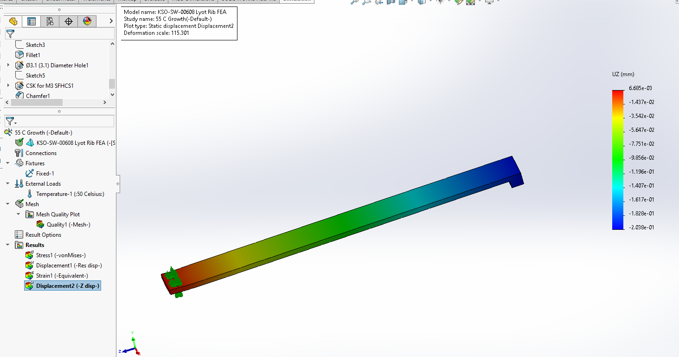
parrallel stiffnes of optic stack and ribs | 9.47E+02 | N/mm

preload taking ribs into account | 4.44E+01 | N

total mass of optics and mounts | 1600 | grams
force due to gravity of optics and mounts | 16 | N

total preload needed | 60.4 | N
minimum force per spring plunger | 15.1 | N
total preload needed | 13.6 | lbs | this case is will a full delta T of 55 and all of the optics weight is facing toward the window
minimum force per spring plunger | 3.4 | lbs

k needed | 40.27 | N/mm
k needed | 230.14 | N/in
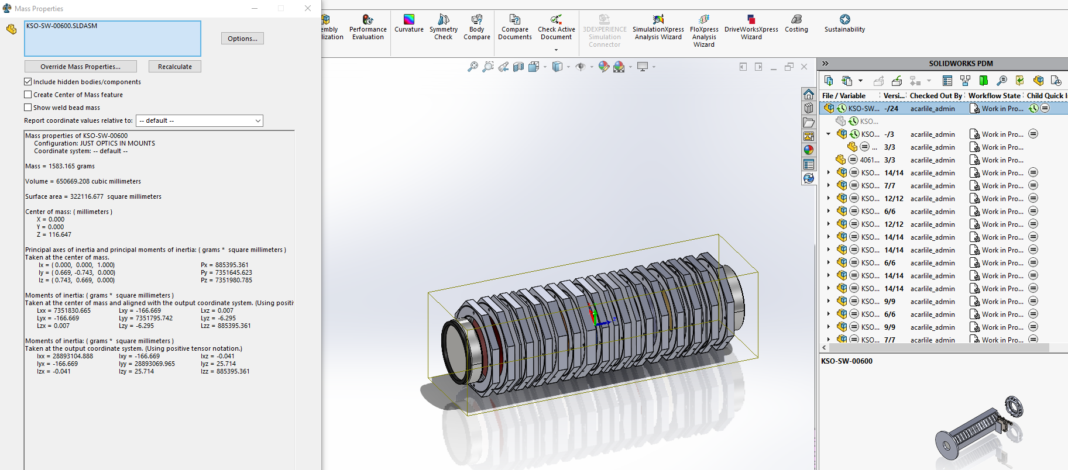
per spring k needed | 10.07 | N/mm | 2.27 | lb/mm
per spring k needed | 57.53 | N/in | 12.95 | lb/in

8969T604 k value | 2.25 | lb/mm | 57.15
little high but very close
max load 4 springs | 19.44 | lbs

length of spring | 9.7 | mm
compression | 1.5 | mm
extra | 0.5 | mm
into optics cap | 3 | mm
into entrance cap | 4.7 | mm

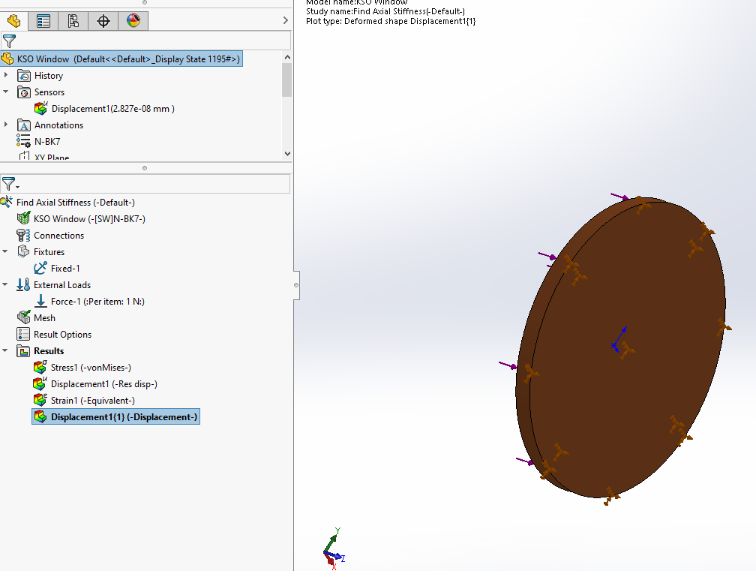

 |  |  |  |  |  | 27838541 | (N/m)/m^2

Optic Cap FEA
Purpose is to get rough stiffness number to add to the next tab
holds the springs, rubber gasket, and insulates mostly

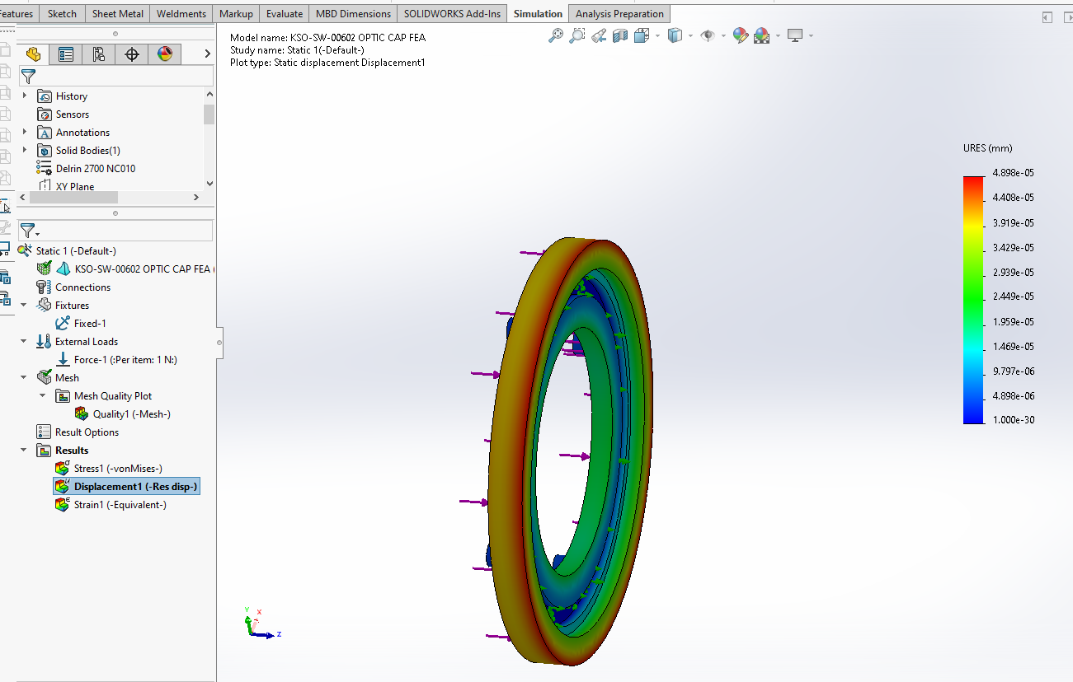
Force | 1 | N
disp | 0.00005 | mm
stiffness | 20000 | N/mm

Offset is better
Calcite Part values only, Offset adhesive is better overall

 | Aligned Adhesive | Offset by 60 Deg |  | Difference from Algined to Offset
X Normal Mpa | 2.123E-02 | 2.326E-02 |  | -2.030E-03
Y Normal Mpa | 1.635E-02 | 1.585E-02 |  | 5.000E-04
XY Shear Mpa | 6.561E-02 | 6.542E-02 |  | 1.900E-04
YZ Shear Mpa | 5.671E-02 | 5.575E-02 |  | 9.600E-04
X Disp mm | 8.584E-02 | 8.584E-02 |  | 0.000E+00
Y Disp mm | -4.617E-03 | 4.648E-02 |  | -5.110E-02

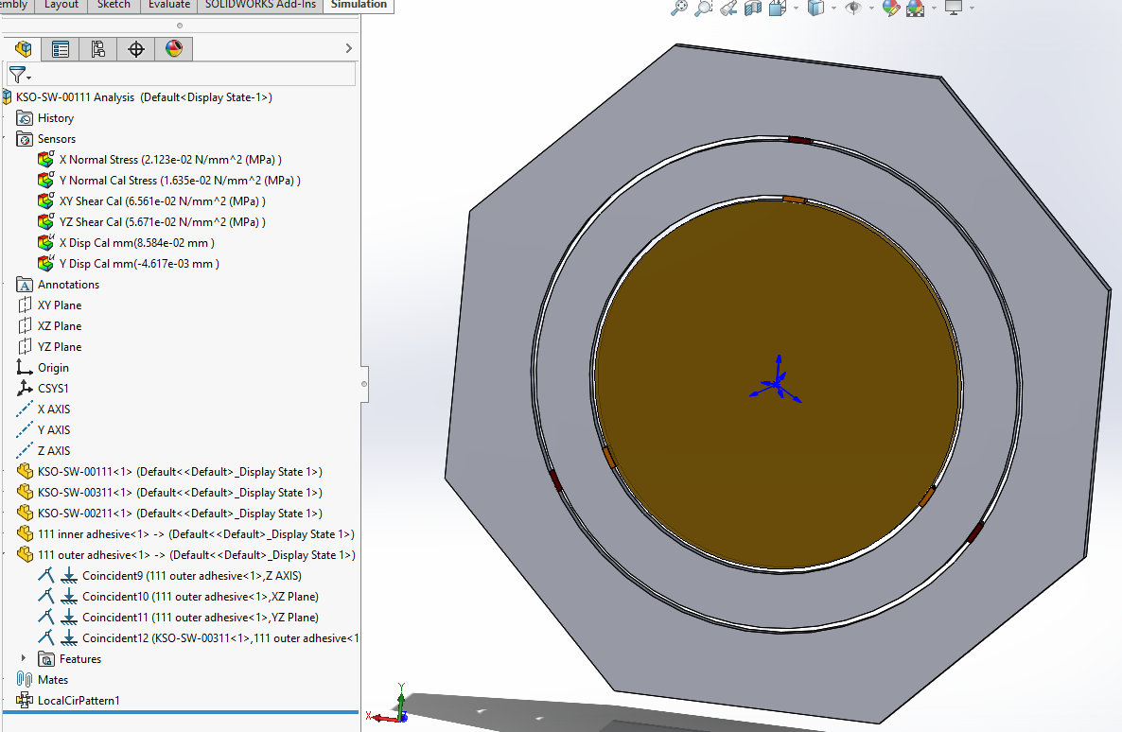
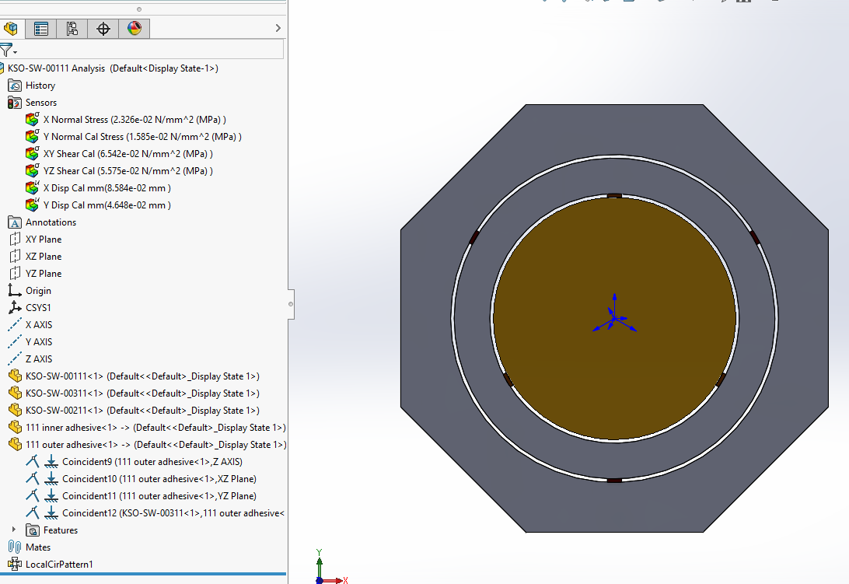

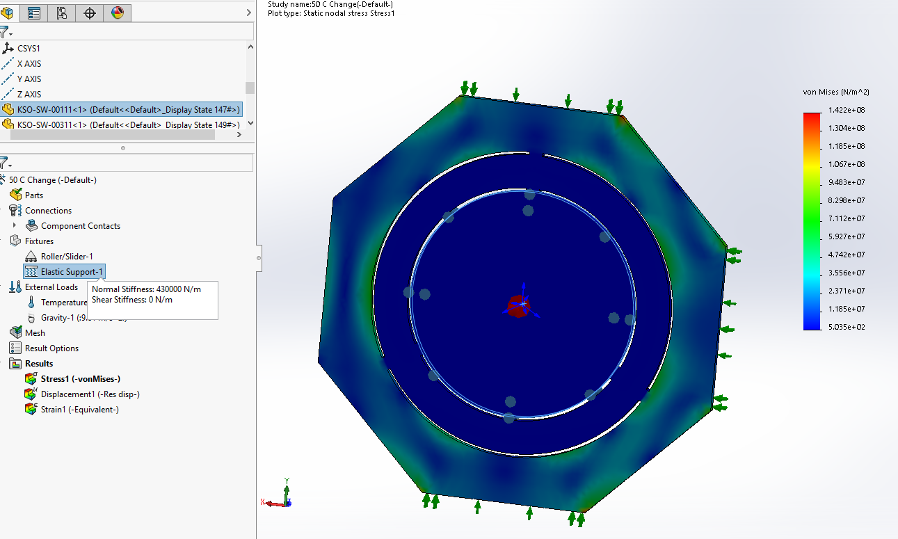
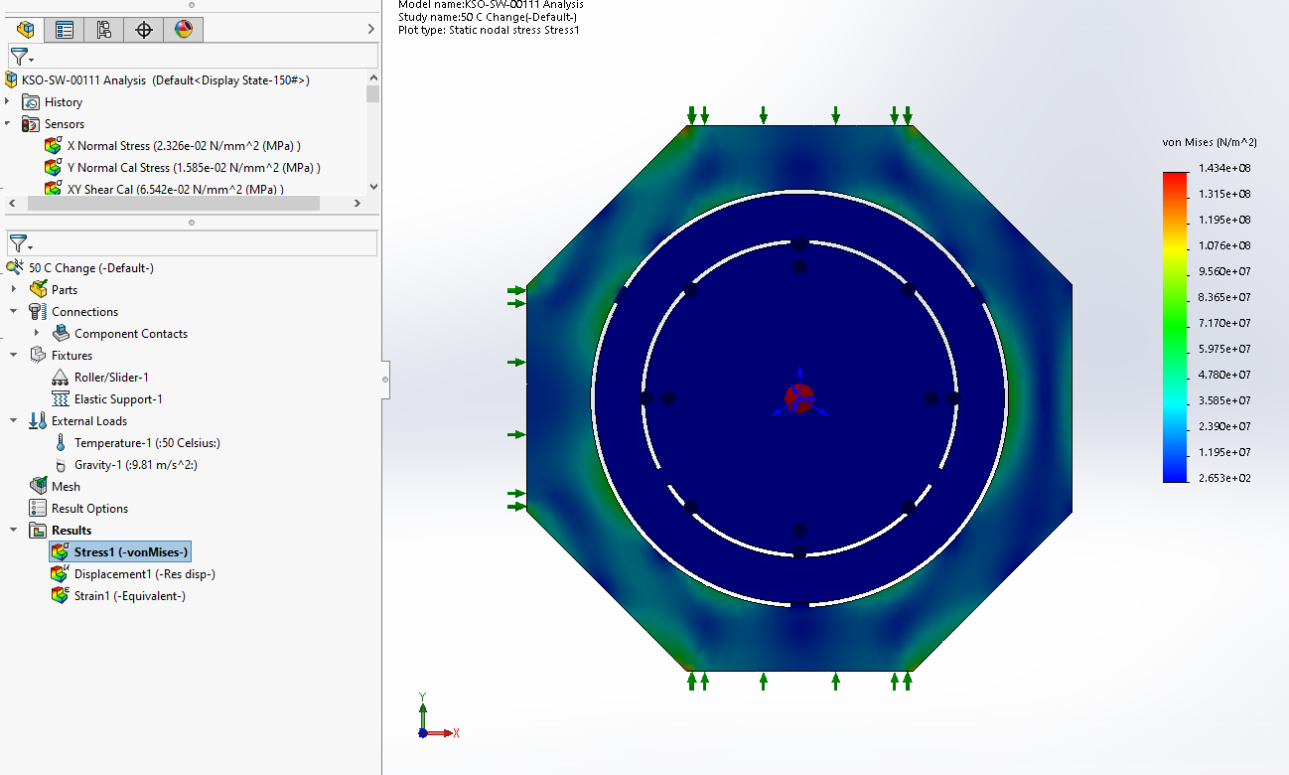

Optimizing the Offset
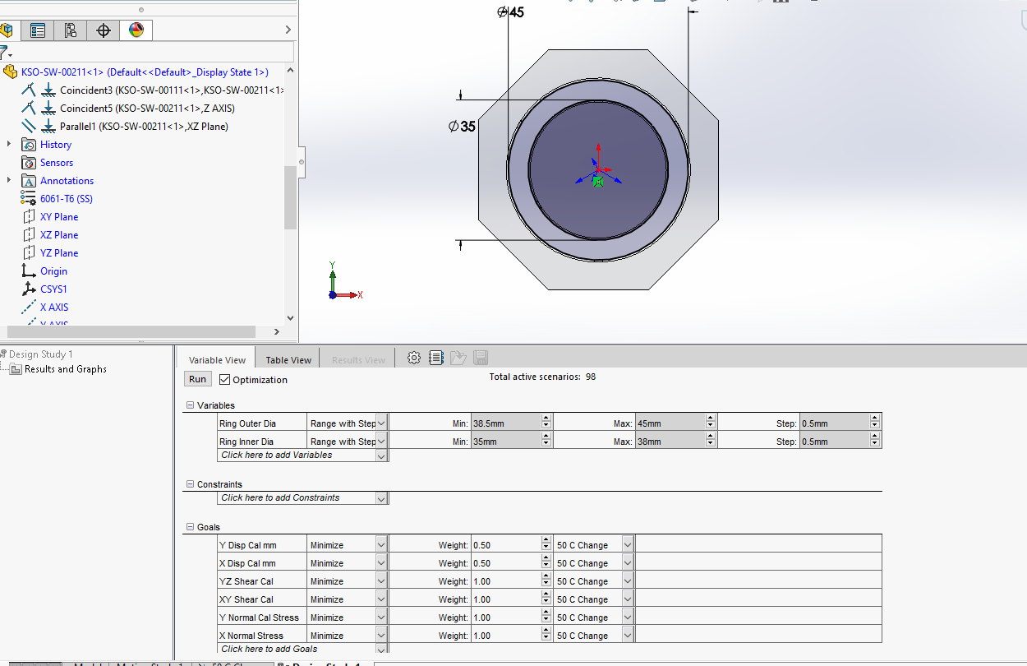

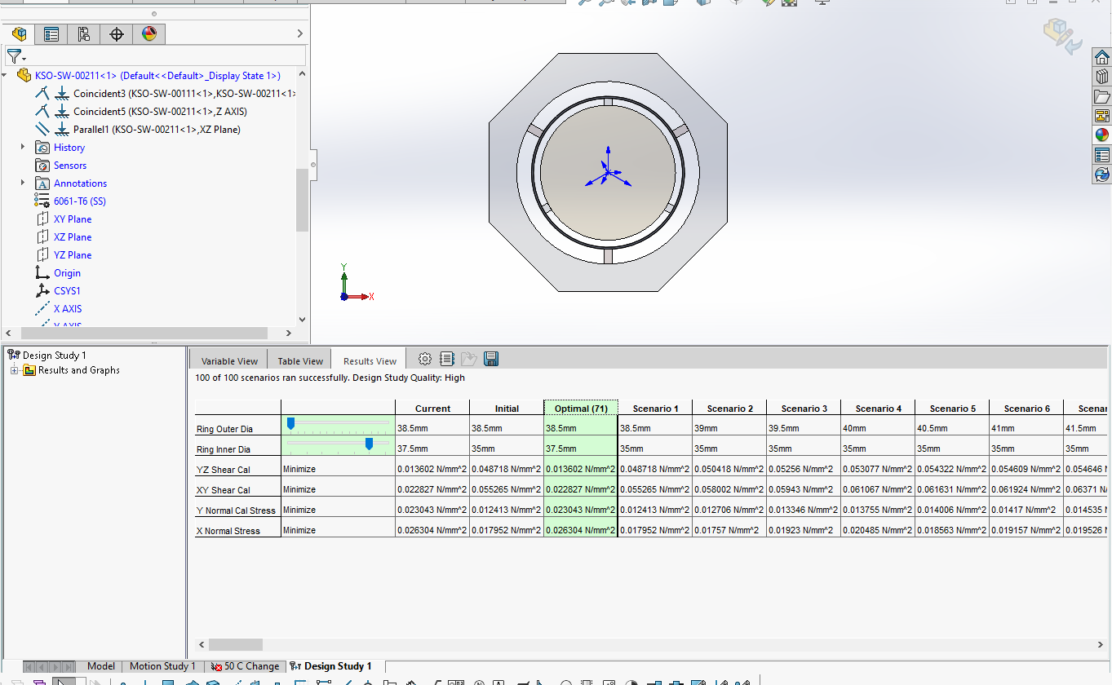

 | Design Study 1
 | Scenarios/Iterations: | 98
 | Parameter Constraint or Goal | Format | Unit | Initial Value | Optimal Value | Scenario 1 | Scenario 2 | Scenario 3 | Scenario 4 | Scenario 5 | Scenario 6 | Scenario 7 | Scenario 8 | Scenario 9 | Scenario 10 | Scenario 11 | Scenario 12 | Scenario 13 | Scenario 14 | Scenario 15 | Scenario 16 | Scenario 17 | Scenario 18 | Scenario 19 | Scenario 20 | Scenario 21 | Scenario 22 | Scenario 23 | Scenario 24 | Scenario 25 | Scenario 26 | Scenario 27 | Scenario 28 | Scenario 29 | Scenario 30 | Scenario 31 | Scenario 32 | Scenario 33 | Scenario 34 | Scenario 35 | Scenario 36 | Scenario 37 | Scenario 38 | Scenario 39 | Scenario 40 | Scenario 41 | Scenario 42 | Scenario 43 | Scenario 44 | Scenario 45 | Scenario 46 | Scenario 47 | Scenario 48 | Scenario 49 | Scenario 50 | Scenario 51 | Scenario 52 | Scenario 53 | Scenario 54 | Scenario 55 | Scenario 56 | Scenario 57 | Scenario 58 | Scenario 59 | Scenario 60 | Scenario 61 | Scenario 62 | Scenario 63 | Scenario 64 | Scenario 65 | Scenario 66 | Scenario 67 | Scenario 68 | Scenario 69 | Scenario 70 | Scenario 71 | Scenario 72 | Scenario 73 | Scenario 74 | Scenario 75 | Scenario 76 | Scenario 77 | Scenario 78 | Scenario 79 | Scenario 80 | Scenario 81 | Scenario 82 | Scenario 83 | Scenario 84 | Scenario 85 | Scenario 86 | Scenario 87 | Scenario 88 | Scenario 89 | Scenario 90 | Scenario 91 | Scenario 92 | Scenario 93 | Scenario 94 | Scenario 95 | Scenario 96 | Scenario 97 | Scenario 98
 |  |  |  |  |  | Calculated | Calculated | Calculated | Calculated | Calculated | Calculated | Calculated | Calculated | Calculated | Calculated | Calculated | Calculated | Calculated | Calculated | Calculated | Calculated | Calculated | Calculated | Calculated | Calculated | Calculated | Calculated | Calculated | Calculated | Calculated | Calculated | Calculated | Calculated | Calculated | Calculated | Calculated | Calculated | Calculated | Calculated | Calculated | Calculated | Calculated | Calculated | Calculated | Calculated | Calculated | Calculated | Calculated | Calculated | Calculated | Calculated | Calculated | Calculated | Calculated | Calculated | Calculated | Calculated | Calculated | Calculated | Calculated | Calculated | Calculated | Calculated | Calculated | Calculated | Calculated | Calculated | Calculated | Calculated | Calculated | Calculated | Calculated | Calculated | Calculated | Calculated | Calculated | Calculated | Calculated | Calculated | Calculated | Calculated | Calculated | Calculated | Calculated | Calculated | Calculated | Calculated | Calculated | Calculated | Calculated | Calculated | Calculated | Calculated | Calculated | Calculated | Calculated | Calculated | Calculated | Calculated | Calculated | Calculated | Calculated | Calculated
 | Ring Outer Dia |  | mm | 38.5 | 38.5 | 38.5 | 39 | 39.5 | 40 | 40.5 | 41 | 41.5 | 42 | 42.5 | 43 | 43.5 | 44 | 44.5 | 45 | 38.5 | 39 | 39.5 | 40 | 40.5 | 41 | 41.5 | 42 | 42.5 | 43 | 43.5 | 44 | 44.5 | 45 | 38.5 | 39 | 39.5 | 40 | 40.5 | 41 | 41.5 | 42 | 42.5 | 43 | 43.5 | 44 | 44.5 | 45 | 38.5 | 39 | 39.5 | 40 | 40.5 | 41 | 41.5 | 42 | 42.5 | 43 | 43.5 | 44 | 44.5 | 45 | 38.5 | 39 | 39.5 | 40 | 40.5 | 41 | 41.5 | 42 | 42.5 | 43 | 43.5 | 44 | 44.5 | 45 | 38.5 | 39 | 39.5 | 40 | 40.5 | 41 | 41.5 | 42 | 42.5 | 43 | 43.5 | 44 | 44.5 | 45 | 38.5 | 39 | 39.5 | 40 | 40.5 | 41 | 41.5 | 42 | 42.5 | 43 | 43.5 | 44 | 44.5 | 45
 | Ring Inner Dia |  | mm | 35 | 37.5 | 35 | 35 | 35 | 35 | 35 | 35 | 35 | 35 | 35 | 35 | 35 | 35 | 35 | 35 | 35.5 | 35.5 | 35.5 | 35.5 | 35.5 | 35.5 | 35.5 | 35.5 | 35.5 | 35.5 | 35.5 | 35.5 | 35.5 | 35.5 | 36 | 36 | 36 | 36 | 36 | 36 | 36 | 36 | 36 | 36 | 36 | 36 | 36 | 36 | 36.5 | 36.5 | 36.5 | 36.5 | 36.5 | 36.5 | 36.5 | 36.5 | 36.5 | 36.5 | 36.5 | 36.5 | 36.5 | 36.5 | 37 | 37 | 37 | 37 | 37 | 37 | 37 | 37 | 37 | 37 | 37 | 37 | 37 | 37 | 37.5 | 37.5 | 37.5 | 37.5 | 37.5 | 37.5 | 37.5 | 37.5 | 37.5 | 37.5 | 37.5 | 37.5 | 37.5 | 37.5 | 38 | 38 | 38 | 38 | 38 | 38 | 38 | 38 | 38 | 38 | 38 | 38 | 38 | 38
 | YZ Shear Cal | Minimize | N/mm^2 | 0.048718 | 0.013602 | 0.048718 | 0.050418 | 0.05256 | 0.053077 | 0.054322 | 0.054609 | 0.054646 | 0.054949 | 0.055718 | 0.055579 | 0.055492 | 0.055617 | 0.056187 | 0.055747 | 0.034824 | 0.036112 | 0.036791 | 0.037565 | 0.038452 | 0.038958 | 0.03931 | 0.039342 | 0.039523 | 0.039621 | 0.039324 | 0.039153 | 0.03964 | 0.039247 | 0.022235 | 0.024207 | 0.024052 | 0.0245 | 0.025717 | 0.025618 | 0.025357 | 0.025793 | 0.026639 | 0.026529 | 0.026741 | 0.026124 | 0.027034 | 0.026868 | 0.016727 | 0.01799 | 0.018698 | 0.018663 | 0.019343 | 0.019504 | 0.020029 | 0.020023 | 0.02023 | 0.020456 | 0.020429 | 0.020124 | 0.02074 | 0.020469 | 0.013078 | 0.01394 | 0.014635 | 0.015033 | 0.015407 | 0.01557 | 0.015752 | 0.015887 | 0.015936 | 0.016096 | 0.016015 | 0.016225 | 0.01641 | 0.016863 | 0.013602 | 0.017111 | 0.019375 | 0.020776 | 0.021801 | 0.0218 | 0.022307 | 0.022471 | 0.022941 | 0.022785 | 0.023114 | 0.023061 | 0.023211 | 0.023423 | 0.012006 | 0.012412 | 0.014805 | 0.016467 | 0.017774 | 0.018283 | 0.018684 | 0.018889 | 0.019181 | 0.019323 | 0.019407 | 0.01938 | 0.019774 | 0.019706
 | XY Shear Cal | Minimize | N/mm^2 | 0.055265 | 0.022827 | 0.055265 | 0.058002 | 0.05943 | 0.061067 | 0.061631 | 0.061924 | 0.06371 | 0.063731 | 0.063381 | 0.063845 | 0.064198 | 0.064872 | 0.064889 | 0.065425 | 0.039939 | 0.0415 | 0.042681 | 0.043952 | 0.044988 | 0.04478 | 0.045353 | 0.045224 | 0.04639 | 0.046543 | 0.046773 | 0.046442 | 0.047875 | 0.047278 | 0.036215 | 0.038467 | 0.039397 | 0.04038 | 0.04257 | 0.042388 | 0.04236 | 0.042933 | 0.044532 | 0.044494 | 0.044452 | 0.044051 | 0.04617 | 0.046457 | 0.031845 | 0.035236 | 0.03625 | 0.036883 | 0.039626 | 0.039721 | 0.040276 | 0.040152 | 0.040969 | 0.041333 | 0.041322 | 0.040611 | 0.042904 | 0.042985 | 0.027994 | 0.033124 | 0.035149 | 0.036096 | 0.038233 | 0.038981 | 0.039777 | 0.040064 | 0.041231 | 0.040888 | 0.040457 | 0.040886 | 0.042004 | 0.042215 | 0.022827 | 0.029445 | 0.03317 | 0.035654 | 0.037692 | 0.038636 | 0.039087 | 0.039355 | 0.041032 | 0.040506 | 0.041167 | 0.041212 | 0.041907 | 0.042803 | 0.019715 | 0.024654 | 0.029962 | 0.033551 | 0.036867 | 0.037889 | 0.039206 | 0.039138 | 0.040369 | 0.040627 | 0.040872 | 0.041296 | 0.042475 | 0.042278
 | Y Normal Cal Stress | Minimize | N/mm^2 | 0.012413 | 0.023043 | 0.012413 | 0.012706 | 0.013346 | 0.013755 | 0.014006 | 0.01417 | 0.014535 | 0.014565 | 0.01457 | 0.015029 | 0.014982 | 0.01557 | 0.015479 | 0.015855 | 0.012467 | 0.012619 | 0.012741 | 0.01289 | 0.01343 | 0.013453 | 0.013467 | 0.013664 | 0.01446 | 0.014744 | 0.014313 | 0.015028 | 0.015055 | 0.016013 | 0.013863 | 0.014251 | 0.013072 | 0.012413 | 0.014697 | 0.014204 | 0.014178 | 0.014036 | 0.015837 | 0.015807 | 0.015537 | 0.015031 | 0.017133 | 0.017057 | 0.017496 | 0.017773 | 0.01693 | 0.016003 | 0.017599 | 0.017954 | 0.01819 | 0.017753 | 0.018594 | 0.018706 | 0.018787 | 0.01748 | 0.02009 | 0.019825 | 0.017937 | 0.017219 | 0.016826 | 0.015887 | 0.017057 | 0.016845 | 0.017252 | 0.017344 | 0.018211 | 0.018724 | 0.017224 | 0.017886 | 0.018992 | 0.018861 | 0.023043 | 0.019228 | 0.017043 | 0.017121 | 0.018094 | 0.016834 | 0.017502 | 0.017235 | 0.019183 | 0.018565 | 0.018437 | 0.018751 | 0.019275 | 0.019671 | 0.024078 | 0.023465 | 0.018901 | 0.016982 | 0.017848 | 0.017254 | 0.017893 | 0.017078 | 0.018553 | 0.018417 | 0.018195 | 0.01812 | 0.019568 | 0.019627
 | X Normal Stress | Minimize | N/mm^2 | 0.017952 | 0.026304 | 0.017952 | 0.01757 | 0.01923 | 0.020485 | 0.018563 | 0.019157 | 0.019526 | 0.021007 | 0.019478 | 0.020012 | 0.021399 | 0.023358 | 0.021142 | 0.02326 | 0.015383 | 0.015205 | 0.01655 | 0.017471 | 0.016186 | 0.016813 | 0.017184 | 0.018718 | 0.017581 | 0.017894 | 0.019311 | 0.020151 | 0.01897 | 0.022112 | 0.022165 | 0.020657 | 0.021746 | 0.022313 | 0.020707 | 0.021759 | 0.020718 | 0.021264 | 0.021504 | 0.023173 | 0.024183 | 0.023436 | 0.023073 | 0.02469 | 0.025807 | 0.024154 | 0.025793 | 0.026351 | 0.023911 | 0.024472 | 0.026304 | 0.027418 | 0.024312 | 0.026738 | 0.027587 | 0.030291 | 0.027613 | 0.030406 | 0.028057 | 0.027264 | 0.026854 | 0.028247 | 0.027284 | 0.027098 | 0.028097 | 0.029038 | 0.026714 | 0.029257 | 0.029903 | 0.031879 | 0.030499 | 0.032367 | 0.026304 | 0.024255 | 0.024328 | 0.025049 | 0.02287 | 0.023092 | 0.024325 | 0.025311 | 0.022815 | 0.025062 | 0.025971 | 0.026354 | 0.025794 | 0.028124 | 0.033323 | 0.025328 | 0.024443 | 0.023754 | 0.022281 | 0.023387 | 0.023508 | 0.024174 | 0.02339 | 0.025128 | 0.024639 | 0.026717 | 0.024868 | 0.026888

Bondline Thicknesses vs Theory
Optimization Numbers (3D effects, 2 Aluminum Parts vs 2D and 1 solid metal part)
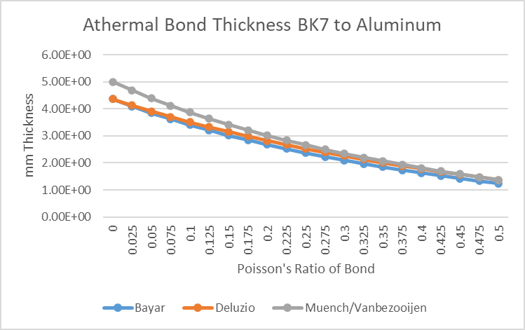
Optic | Material | Bondline Thickness (mm) | v = 0.43 | % from 2D theory
Polarizer/Retarders | N-BK7 | 0.6 | 1.42 | 42%
Calcite 1.35 | Calcite | 1 | 0.66 | 52%
Calcite 2.7 | Calcite | 1 | 0.66 | 52%
Calcite 5.4 | Calcite | 1 | 0.66 | 52%
Calcite 10.8 | Calcite | 1 | 0.66 | 52%

 |  |  | 2.84
 |  |  | 53.64
 |  |  | n

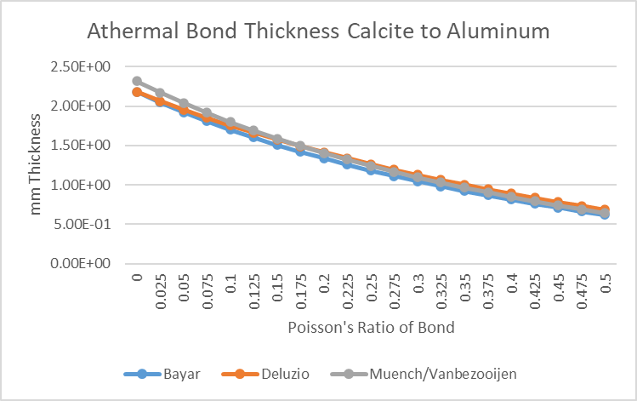

2 thin Poker Optimization
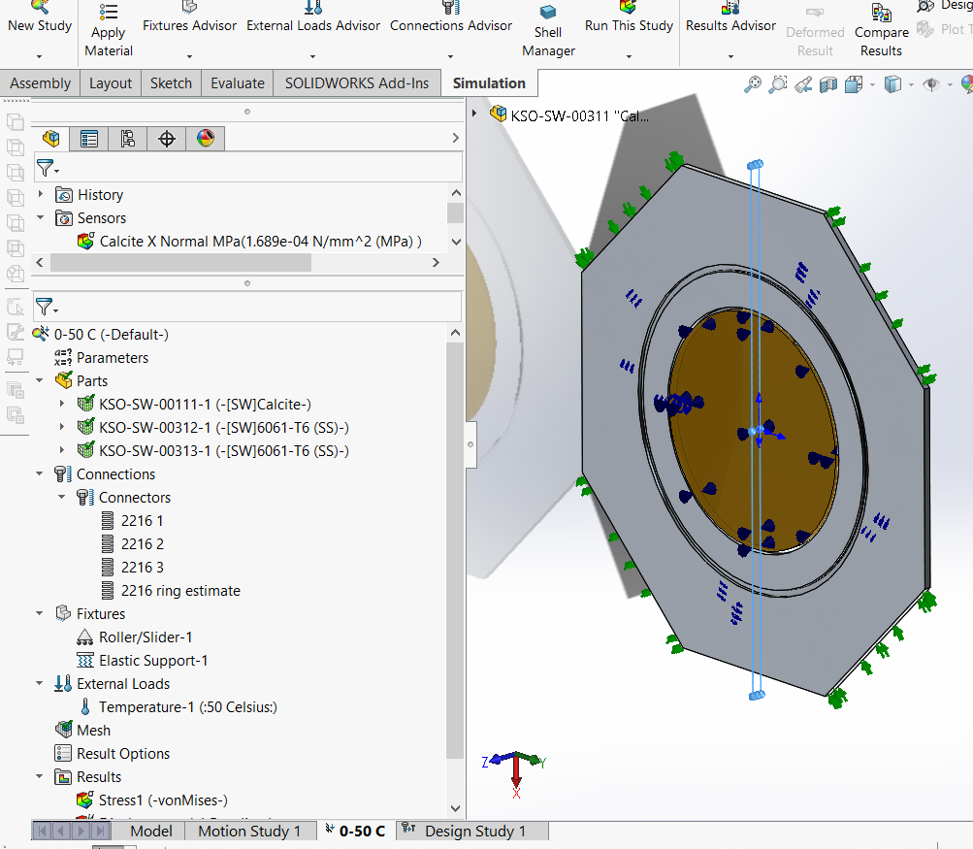
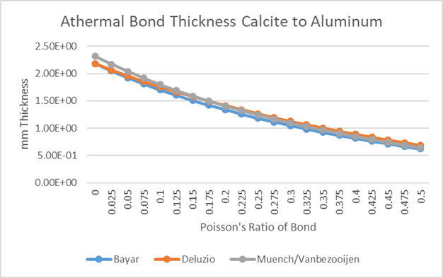
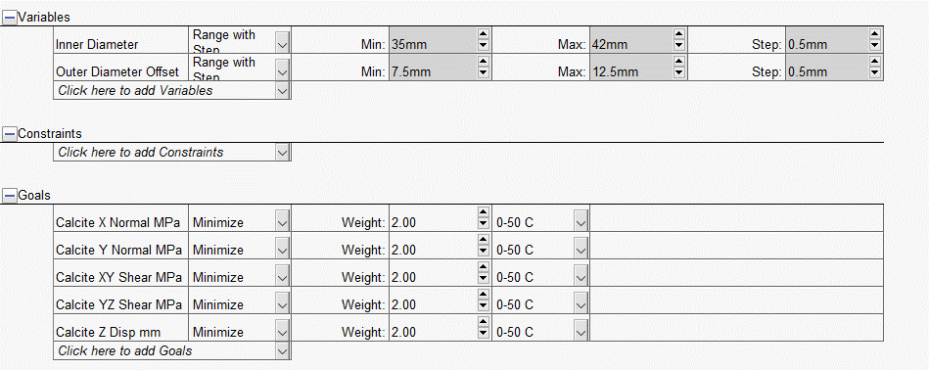

 | 2216 | 27838541 | (N/m) / (m^2)
 | 2216 ring | 2783854.1 | (N/m) / (m^2)
 | Elastic Support | 0.43 | N/m

doyle-2002.pdf (arizona.edu)

doyle-2002.pdf (arizona.edu)

https://wp.optics.arizona.edu/optomech/wp-content/uploads/sites/53/2016/11/423-Final-Report-Armstrong.pdf

Linear Polarizer Analysis
adhesive thickness to optic | 2.5 | mm

inner ring inner dia | 55.5 | mm
inner ring outer dia | 67 | mm

Design Project Requirements Review (arizona.edu)
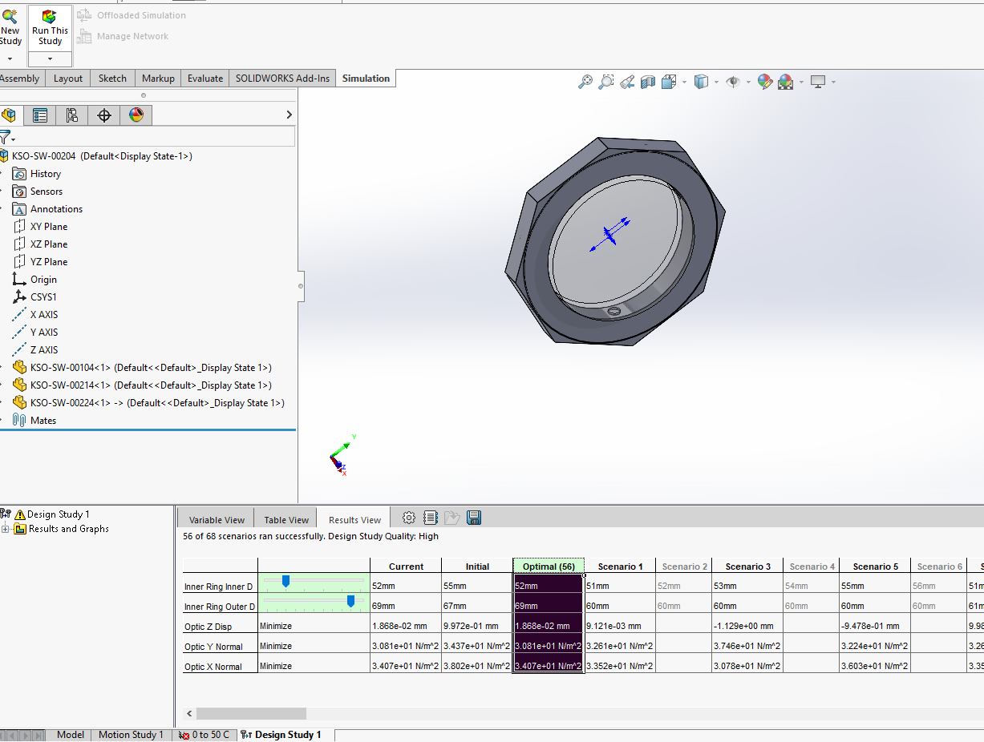

2216 poisson ratio | 0.43

from AAC report, essentially reran with the KSO optic and overlaping chips, and 0-30 instead of 0-50

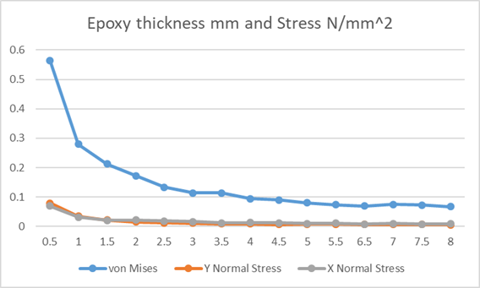

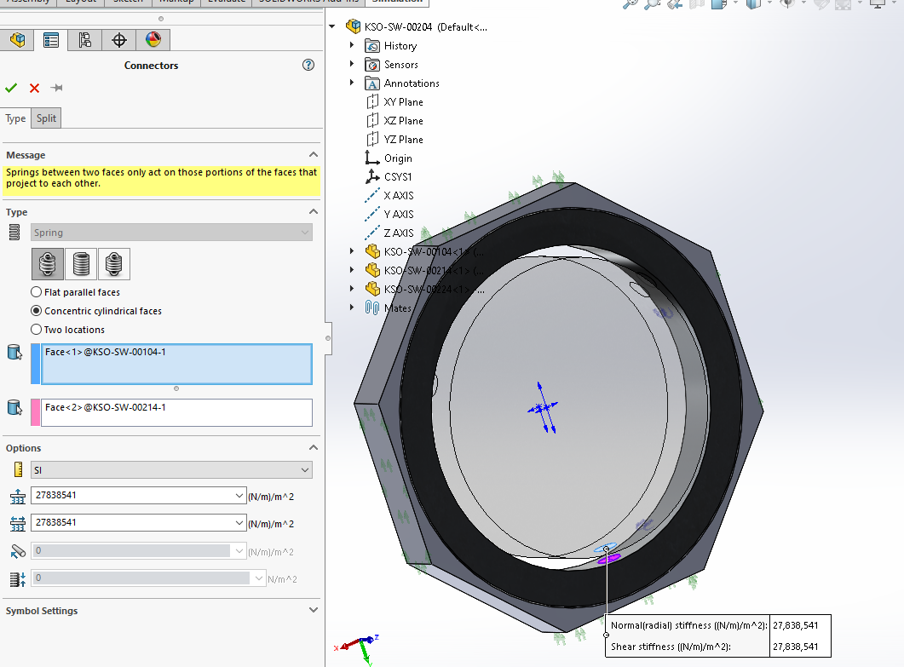
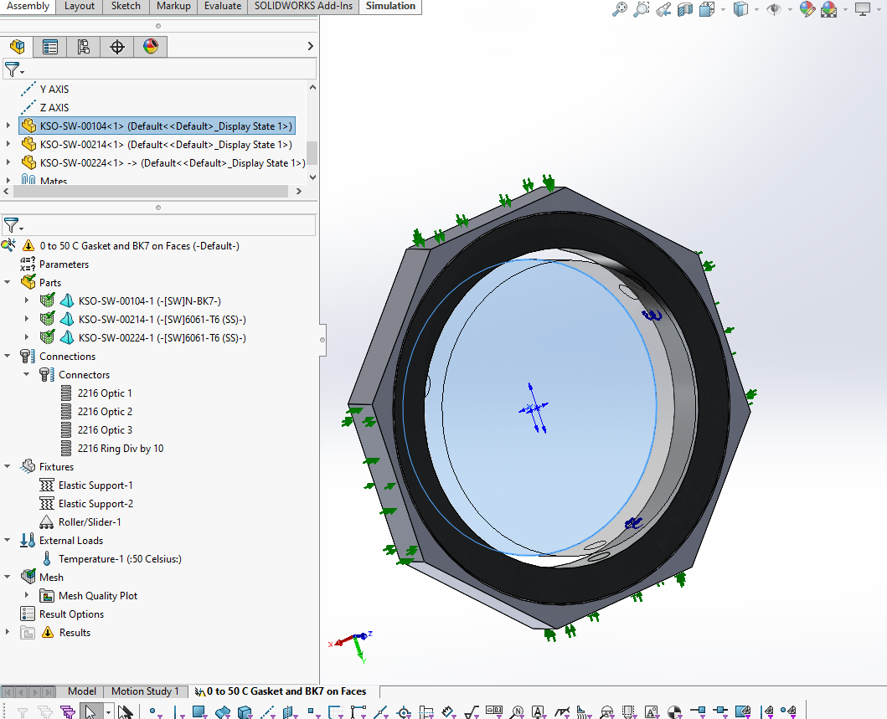
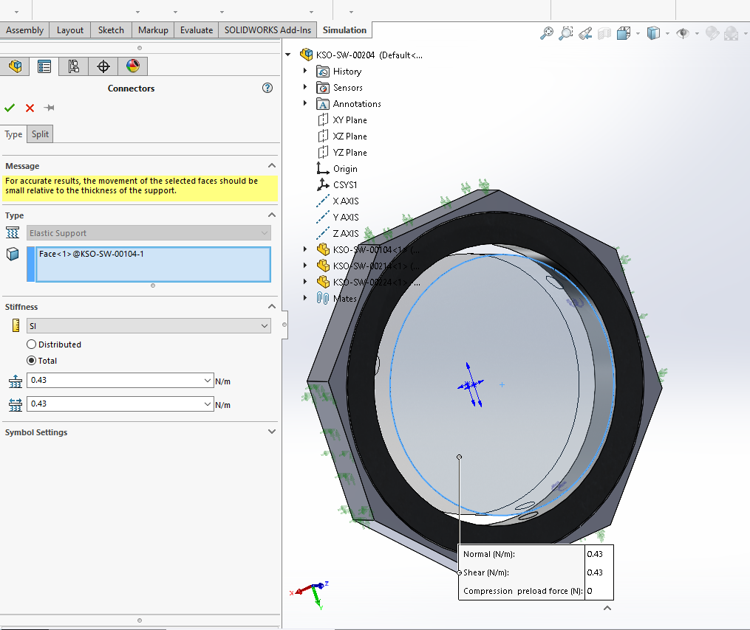

KSO Thermal Assembly Results
KSO 1 80W heater 30 C goal
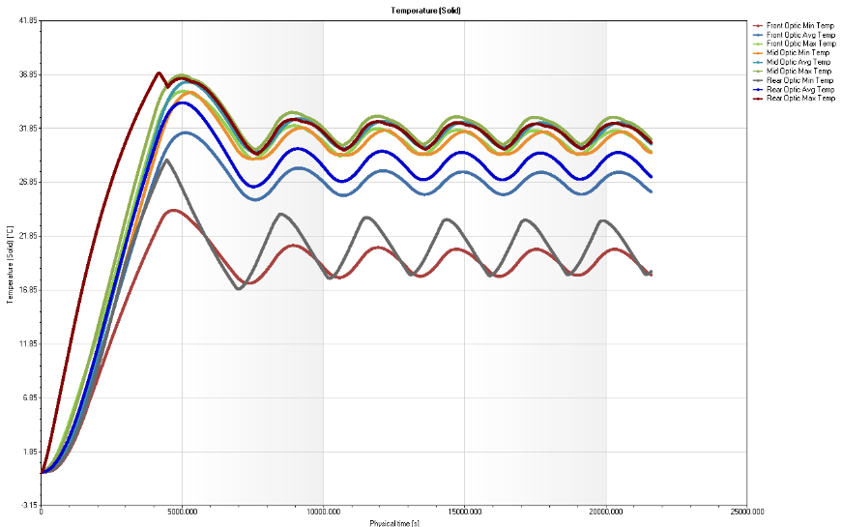
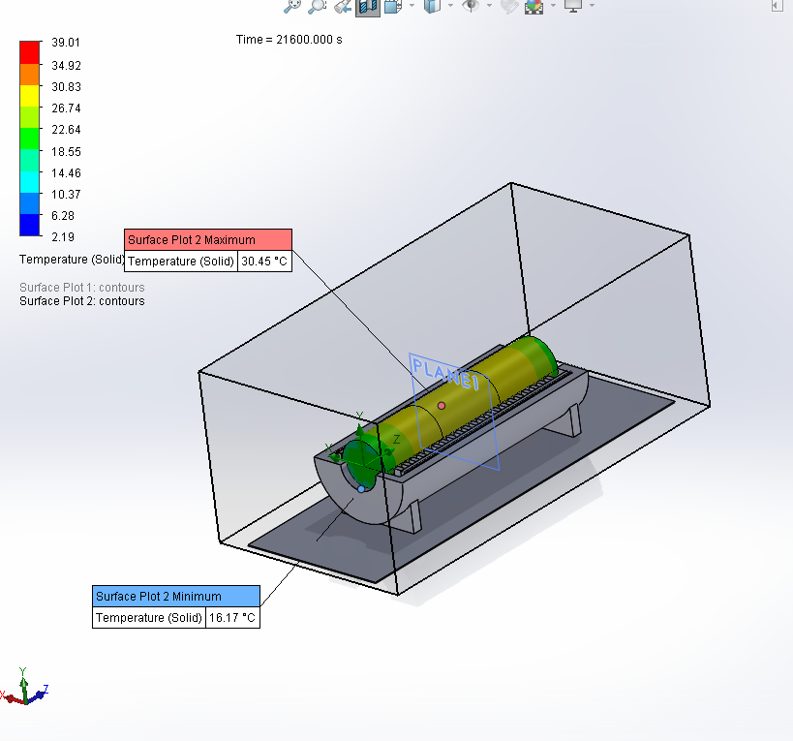
Goal Name | Unit | Value | Averaged Value | Minimum Value | Maximum Value | Progress [%] | Use In Convergence | Delta | Criteria
Front Optic Min Temp | [°C] | 18.28 | 18.28 | 18.28 | 18.29 | 64 | Yes | 9.70E-03 | 6.21E-03 |  |  |  |  |  | 1 80 W Heater | 3 26 W Heaters | 3 15 W Heaters
Front Optic Avg Temp | [°C] | 25.98 | 25.99 | 25.98 | 26 | 47 | Yes | 0.01 | 6.43E-03 |  |  |  |  | Min Min Temp | 18.28 | 29.88 | 20.35
Front Optic Max Temp | [°C] | 29.67 | 29.68 | 29.67 | 29.69 | 83 | Yes | 0.02 | 0.01 |  |  |  |  | Max Max Temp | 30.87 | 43.46 | 31.01
Mid Optic Min Temp | [°C] | 29.61 | 29.61 | 29.61 | 29.61 | 89 | Yes | 7.73E-03 | 6.87E-03
Mid Optic Avg Temp | [°C] | 30.43 | 30.44 | 30.43 | 30.45 | 46 | Yes | 0.02 | 7.18E-03
Mid Optic Max Temp | [°C] | 30.85 | 30.86 | 30.85 | 30.87 | 64 | Yes | 0.02 | 0.01
Rear Optic Min Temp | [°C] | 18.59 | 18.58 | 18.57 | 18.59 | 46 | Yes | 0.02 | 0.01
Rear Optic Avg Temp | [°C] | 27.38 | 27.39 | 27.38 | 27.4 | 46 | Yes | 0.02 | 7.40E-03
Rear Optic Max Temp | [°C] | 30.53 | 30.54 | 30.53 | 30.55 | 100 | Yes | 0.02 | 0.05

KSO 3 26 W heaters 30 C goal
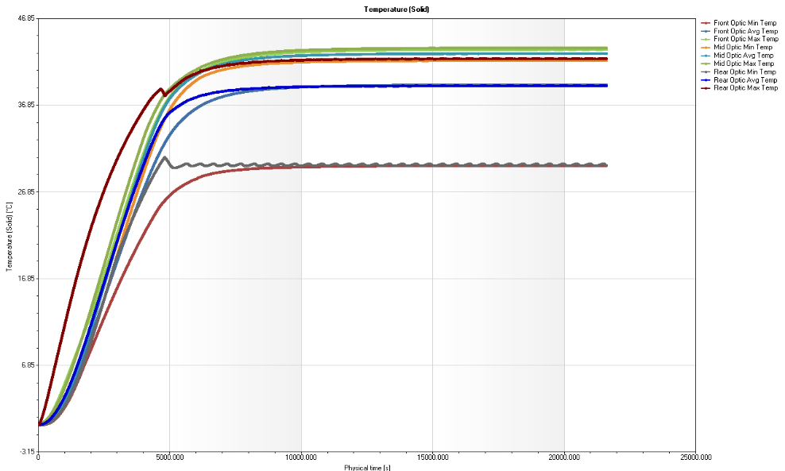
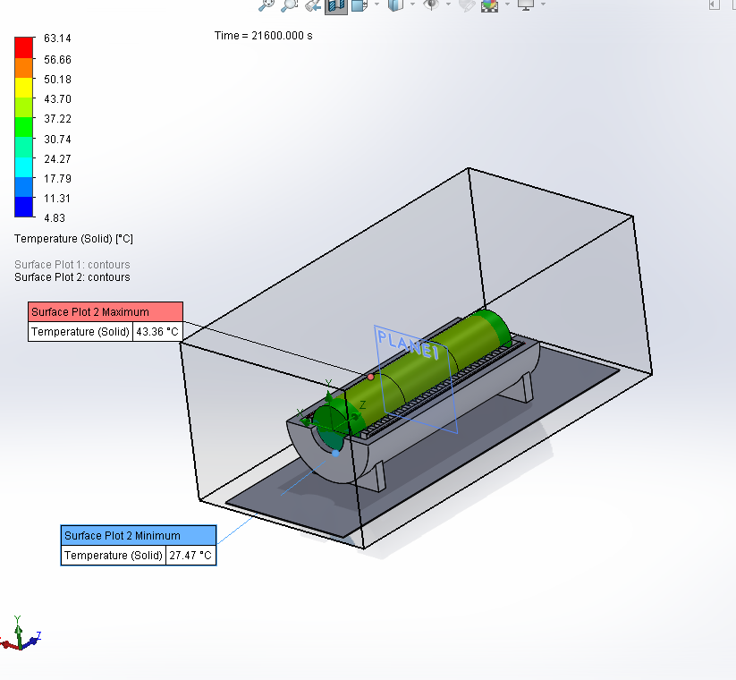

Goal Name | Unit | Value | Averaged Value | Minimum Value | Maximum Value | Progress [%] | Use In Convergence | Delta | Criteria
Front Optic Min Temp | [°C] | 29.88 | 29.88 | 29.88 | 29.88 | 100 | Yes | 6.05E-05 | 2.84E-03
Front Optic Avg Temp | [°C] | 39.21 | 39.21 | 39.21 | 39.21 | 100 | Yes | 7.46E-05 | 3.72E-03
Front Optic Max Temp | [°C] | 43.28 | 43.28 | 43.28 | 43.28 | 100 | Yes | 1.49E-04 | 0.01
Mid Optic Min Temp | [°C] | 42.01 | 42.01 | 42.01 | 42.01 | 100 | Yes | 5.31E-05 | 4.02E-03
Mid Optic Avg Temp | [°C] | 42.82 | 42.82 | 42.82 | 42.82 | 100 | Yes | 2.79E-04 | 4.09E-03
Mid Optic Max Temp | [°C] | 43.46 | 43.46 | 43.46 | 43.46 | 100 | Yes | 4.38E-04 | 0.01
Rear Optic Min Temp | [°C] | 29.91 | 29.91 | 29.91 | 29.92 | 44 | Yes | 0.01 | 4.61E-03
Rear Optic Avg Temp | [°C] | 39.09 | 39.09 | 39.09 | 39.09 | 100 | Yes | 1.19E-03 | 3.84E-03
Rear Optic Max Temp | [°C] | 42.23 | 42.23 | 42.21 | 42.24 | 100 | Yes | 0.02 | 0.05

KSO 3 15 W heaters 30 C goal
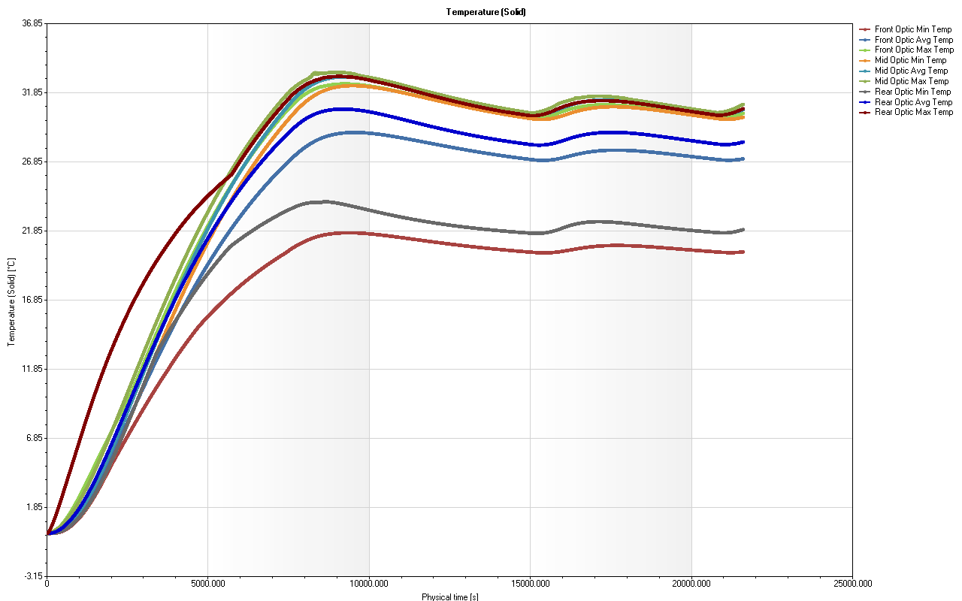
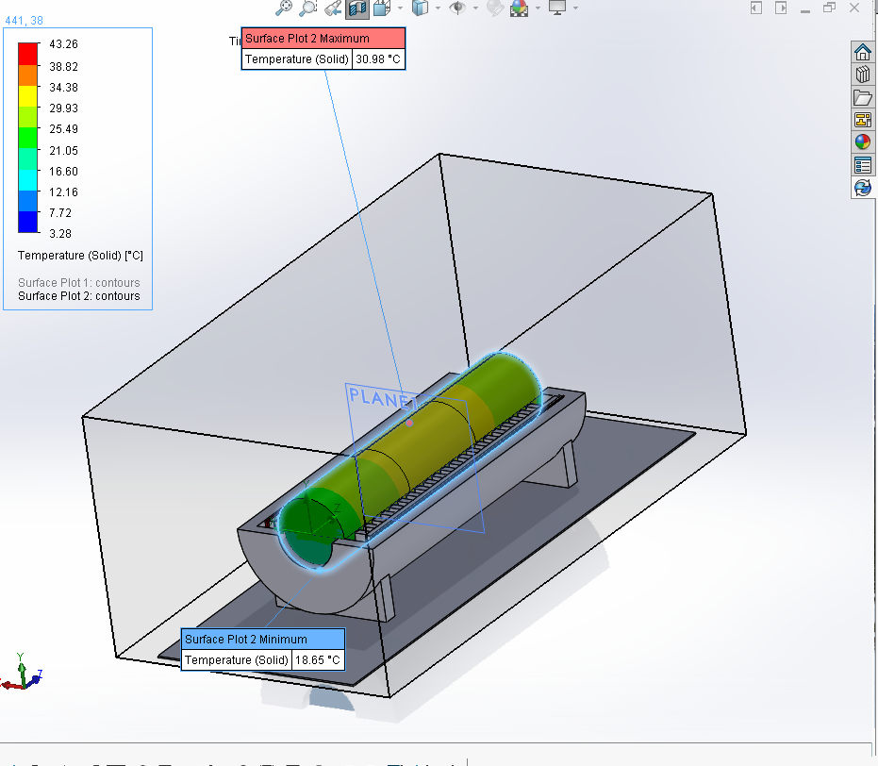

Goal Name | Unit | Value | Averaged Value | Minimum Value | Maximum Value | Progress [%] | Use In Convergence | Delta | Criteria
Front Optic Min Temp | [°C] | 20.35 | 20.35 | 20.35 | 20.35 | 100 | Yes | 2.04E-03 | 2.65E-03
Front Optic Avg Temp | [°C] | 27.08 | 27.08 | 27.07 | 27.08 | 100 | Yes | 3.44E-03 | 3.55E-03
Front Optic Max Temp | [°C] | 30.37 | 30.36 | 30.36 | 30.37 | 100 | Yes | 6.90E-03 | 0.01
Mid Optic Min Temp | [°C] | 30.09 | 30.09 | 30.08 | 30.09 | 82 | Yes | 4.86E-03 | 4.01E-03
Mid Optic Avg Temp | [°C] | 30.62 | 30.62 | 30.62 | 30.62 | 57 | Yes | 7.26E-03 | 4.16E-03
Mid Optic Max Temp | [°C] | 31.01 | 31.01 | 31 | 31.01 | 95 | Yes | 9.86E-03 | 9.37E-03
Rear Optic Min Temp | [°C] | 21.96 | 21.96 | 21.95 | 21.96 | 54 | Yes | 5.70E-03 | 3.07E-03
Rear Optic Avg Temp | [°C] | 28.29 | 28.29 | 28.29 | 28.29 | 75 | Yes | 5.13E-03 | 3.84E-03
Rear Optic Max Temp | [°C] | 30.7 | 30.7 | 30.69 | 30.7 | 100 | Yes | 8.71E-03 | 0.04

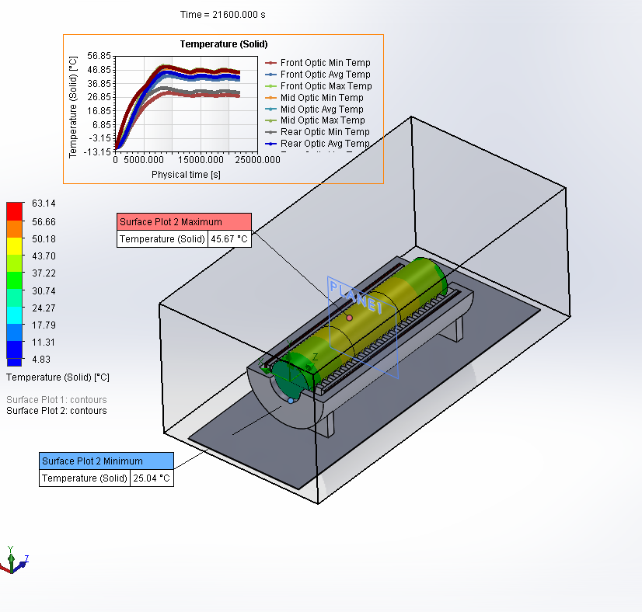
 |  |  |  | 3 26 W heaters -10 C to 45 C

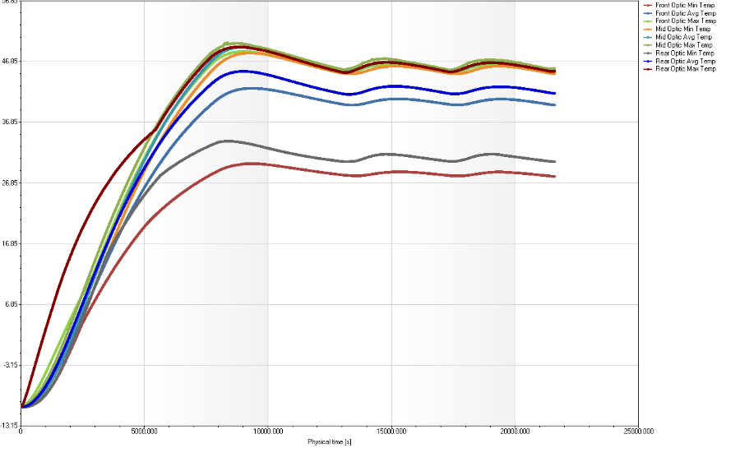
 |  |  |  | Goal Name | Unit | Value | Averaged Value | Minimum Value | Maximum Value | Progress [%] | Use In Convergence | Delta | Criteria
 |  |  |  | Front Optic Min Temp | [°C] | 27.95 | 27.95 | 27.95 | 27.95 | 100 | Yes | 1.64E-03 | 3.75E-03
 |  |  |  | Front Optic Avg Temp | [°C] | 39.7 | 39.7 | 39.7 | 39.7 | 100 | Yes | 2.11E-03 | 4.94E-03
 |  |  |  | Front Optic Max Temp | [°C] | 45.12 | 45.12 | 45.12 | 45.12 | 100 | Yes | 7.72E-04 | 0.02
 |  |  |  | Mid Optic Min Temp | [°C] | 44.83 | 44.84 | 44.83 | 44.84 | 100 | Yes | 2.20E-03 | 5.58E-03
 |  |  |  | Mid Optic Avg Temp | [°C] | 45.38 | 45.38 | 45.38 | 45.38 | 100 | Yes | 4.76E-04 | 5.77E-03
 |  |  |  | Mid Optic Max Temp | [°C] | 45.73 | 45.73 | 45.73 | 45.73 | 100 | Yes | 4.24E-03 | 0.01
 |  |  |  | Rear Optic Min Temp | [°C] | 30.38 | 30.38 | 30.38 | 30.38 | 100 | Yes | 4.17E-04 | 4.35E-03
 |  |  |  | Rear Optic Avg Temp | [°C] | 41.64 | 41.64 | 41.64 | 41.64 | 100 | Yes | 1.12E-03 | 5.33E-03
 |  |  |  | Rear Optic Max Temp | [°C] | 45.27 | 45.27 | 45.27 | 45.27 | 100 | Yes | 3.25E-03 | 0.06

 |  |  |  | 3 40 W heater -10 C to 45 C

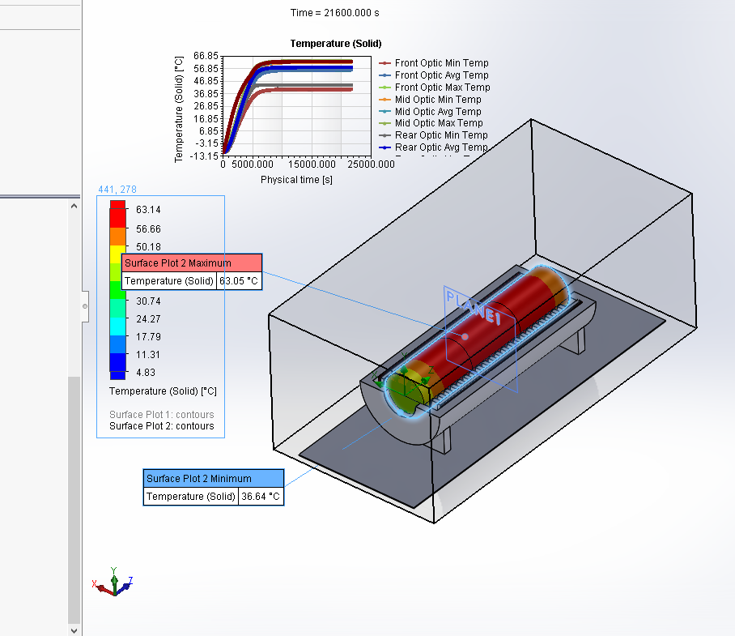
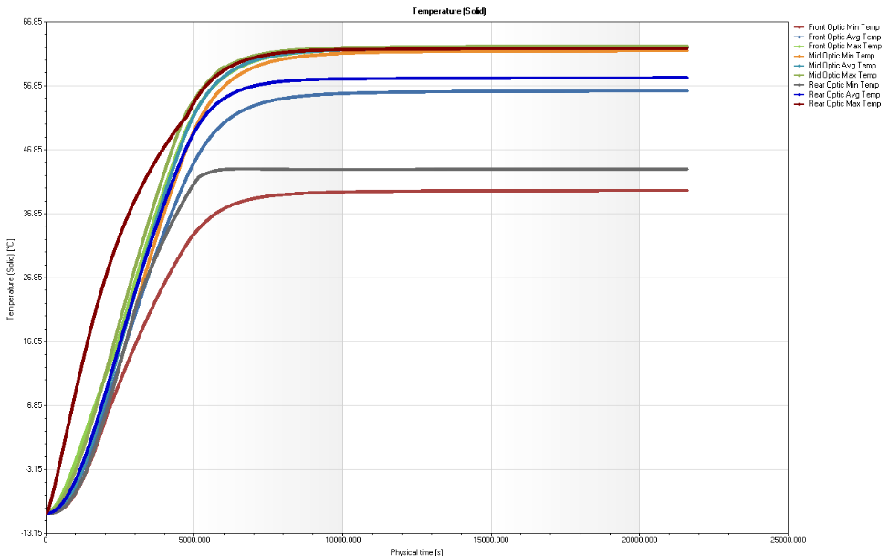
 |  |  |  | Goal Name | Unit | Value | Averaged Value | Minimum Value | Maximum Value | Progress [%] | Use In Convergence | Delta | Criteria
 |  |  |  | Front Optic Min Temp | [°C] | 40.5 | 40.5 | 40.5 | 40.5 | 100 | Yes | 1.24E-05 | 3.77E-03
 |  |  |  | Front Optic Avg Temp | [°C] | 56.04 | 56.04 | 56.04 | 56.04 | 100 | Yes | 1.73E-05 | 4.93E-03
 |  |  |  | Front Optic Max Temp | [°C] | 62.88 | 62.88 | 62.88 | 62.88 | 100 | Yes | 1.59E-05 | 0.02
 |  |  |  | Mid Optic Min Temp | [°C] | 62.33 | 62.33 | 62.33 | 62.33 | 100 | Yes | 1.65E-05 | 5.41E-03
 |  |  |  | Mid Optic Avg Temp | [°C] | 62.78 | 62.78 | 62.78 | 62.78 | 100 | Yes | 1.67E-05 | 5.44E-03
 |  |  |  | Mid Optic Max Temp | [°C] | 63.09 | 63.09 | 63.09 | 63.09 | 100 | Yes | 3.31E-05 | 0.01
 |  |  |  | Rear Optic Min Temp | [°C] | 43.83 | 43.83 | 43.83 | 43.83 | 100 | Yes | 8.84E-06 | 4.05E-03
 |  |  |  | Rear Optic Avg Temp | [°C] | 58.12 | 58.12 | 58.12 | 58.12 | 100 | Yes | 1.36E-05 | 5.09E-03
 |  |  |  | Rear Optic Max Temp | [°C] | 62.72 | 62.72 | 62.72 | 62.72 | 100 | Yes | 1.42E-05 | 0.07

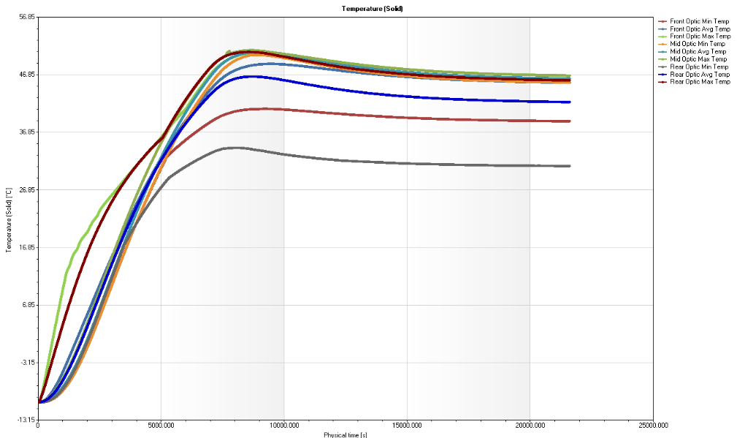
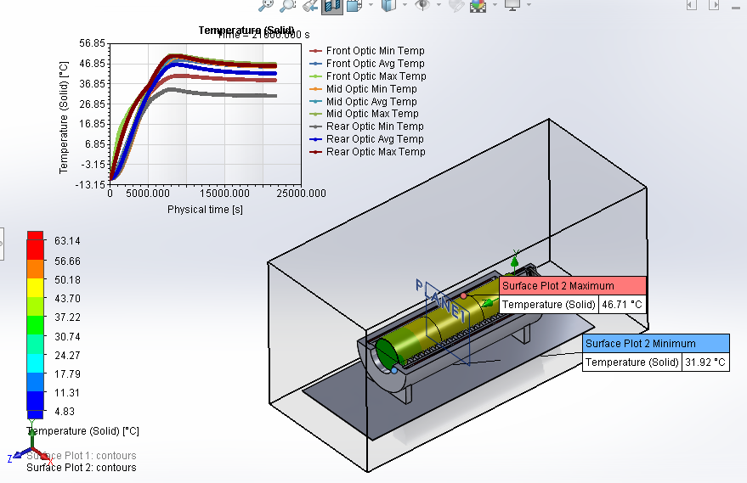
 |  |  |  | Goal Name | Unit | Value | Averaged Value | Minimum Value | Maximum Value | Progress [%] | Use In Convergence | Delta | Criteria
 |  |  |  | Front Optic Min Temp | [°C] | 38.8 | 38.8 | 38.8 | 38.8 | 100 | Yes | 2.32E-04 | 3.71E-03
 |  |  |  | Front Optic Avg Temp | [°C] | 45.49 | 45.49 | 45.49 | 45.49 | 100 | Yes | 3.77E-04 | 4.33E-03
 |  |  |  | Front Optic Max Temp | [°C] | 46.73 | 46.73 | 46.73 | 46.73 | 100 | Yes | 4.04E-04 | 0.01
 |  |  |  | Mid Optic Min Temp | [°C] | 45.53 | 45.53 | 45.53 | 45.53 | 100 | Yes | 4.08E-04 | 4.54E-03
 |  |  |  | Mid Optic Avg Temp | [°C] | 46.21 | 46.21 | 46.21 | 46.21 | 100 | Yes | 3.99E-04 | 4.56E-03
 |  |  |  | Mid Optic Max Temp | [°C] | 46.7 | 46.7 | 46.7 | 46.7 | 100 | Yes | 4.04E-04 | 4.68E-03
 |  |  |  | Rear Optic Min Temp | [°C] | 31.01 | 31.01 | 31.01 | 31.01 | 100 | Yes | 4.03E-05 | 3.32E-03
 |  |  |  | Rear Optic Avg Temp | [°C] | 42.13 | 42.13 | 42.13 | 42.13 | 100 | Yes | 3.81E-04 | 4.25E-03
 |  |  |  | Rear Optic Max Temp | [°C] | 45.9 | 45.9 | 45.9 | 45.9 | 100 | Yes | 3.97E-04 | 0.01

Calcite 5_4 optimization
Design Study 1
Scenarios/Iterations: | 378
Parameter Constraint or Goal | Format | Unit | Initial Value | Optimal Value | Scenario 1 | Scenario 2 | Scenario 3 | Scenario 4 | Scenario 5 | Scenario 6 | Scenario 7 | Scenario 8 | Scenario 9 | Scenario 10 | Scenario 11 | Scenario 12 | Scenario 13 | Scenario 14 | Scenario 15 | Scenario 16 | Scenario 17 | Scenario 18 | Scenario 19 | Scenario 20 | Scenario 21 | Scenario 22 | Scenario 23 | Scenario 24 | Scenario 25 | Scenario 26 | Scenario 27 | Scenario 28 | Scenario 29 | Scenario 30 | Scenario 31 | Scenario 32 | Scenario 33 | Scenario 34 | Scenario 35 | Scenario 36 | Scenario 37 | Scenario 38 | Scenario 39 | Scenario 40 | Scenario 41 | Scenario 42 | Scenario 43 | Scenario 44 | Scenario 45 | Scenario 46 | Scenario 47 | Scenario 48 | Scenario 49 | Scenario 50 | Scenario 51 | Scenario 52 | Scenario 53 | Scenario 54 | Scenario 55 | Scenario 56 | Scenario 57 | Scenario 58 | Scenario 59 | Scenario 60 | Scenario 61 | Scenario 62 | Scenario 63 | Scenario 64 | Scenario 65 | Scenario 66 | Scenario 67 | Scenario 68 | Scenario 69 | Scenario 70 | Scenario 71 | Scenario 72 | Scenario 73 | Scenario 74 | Scenario 75 | Scenario 76 | Scenario 77 | Scenario 78 | Scenario 79 | Scenario 80 | Scenario 81 | Scenario 82 | Scenario 83 | Scenario 84 | Scenario 85 | Scenario 86 | Scenario 87 | Scenario 88 | Scenario 89 | Scenario 90 | Scenario 91 | Scenario 92 | Scenario 93 | Scenario 94 | Scenario 95 | Scenario 96 | Scenario 97 | Scenario 98 | Scenario 99 | Scenario 100 | Scenario 101 | Scenario 102 | Scenario 103 | Scenario 104 | Scenario 105 | Scenario 106 | Scenario 107 | Scenario 108 | Scenario 109 | Scenario 110 | Scenario 111 | Scenario 112 | Scenario 113 | Scenario 114 | Scenario 115 | Scenario 116 | Scenario 117 | Scenario 118 | Scenario 119 | Scenario 120 | Scenario 121 | Scenario 122 | Scenario 123 | Scenario 124 | Scenario 125 | Scenario 126 | Scenario 127 | Scenario 128 | Scenario 129 | Scenario 130 | Scenario 131 | Scenario 132 | Scenario 133 | Scenario 134 | Scenario 135 | Scenario 136 | Scenario 137 | Scenario 138 | Scenario 139 | Scenario 140 | Scenario 141 | Scenario 142 | Scenario 143 | Scenario 144 | Scenario 145 | Scenario 146 | Scenario 147 | Scenario 148 | Scenario 149 | Scenario 150 | Scenario 151 | Scenario 152 | Scenario 153 | Scenario 154 | Scenario 155 | Scenario 156 | Scenario 157 | Scenario 158 | Scenario 159 | Scenario 160 | Scenario 161 | Scenario 162 | Scenario 163 | Scenario 164 | Scenario 165 | Scenario 166 | Scenario 167 | Scenario 168 | Scenario 169 | Scenario 170 | Scenario 171 | Scenario 172 | Scenario 173 | Scenario 174 | Scenario 175 | Scenario 176 | Scenario 177 | Scenario 178 | Scenario 179 | Scenario 180 | Scenario 181 | Scenario 182 | Scenario 183 | Scenario 184 | Scenario 185 | Scenario 186 | Scenario 187 | Scenario 188 | Scenario 189 | Scenario 190 | Scenario 191 | Scenario 192 | Scenario 193 | Scenario 194 | Scenario 195 | Scenario 196 | Scenario 197 | Scenario 198 | Scenario 199 | Scenario 200 | Scenario 201 | Scenario 202 | Scenario 203 | Scenario 204 | Scenario 205 | Scenario 206 | Scenario 207 | Scenario 208 | Scenario 209 | Scenario 210 | Scenario 211 | Scenario 212 | Scenario 213 | Scenario 214 | Scenario 215 | Scenario 216 | Scenario 217 | Scenario 218 | Scenario 219 | Scenario 220 | Scenario 221 | Scenario 222 | Scenario 223 | Scenario 224 | Scenario 225 | Scenario 226 | Scenario 227 | Scenario 228 | Scenario 229 | Scenario 230 | Scenario 231 | Scenario 232 | Scenario 233 | Scenario 234 | Scenario 235 | Scenario 236 | Scenario 237 | Scenario 238 | Scenario 239 | Scenario 240 | Scenario 241 | Scenario 242 | Scenario 243 | Scenario 244 | Scenario 245 | Scenario 246 | Scenario 247 | Scenario 248 | Scenario 249 | Scenario 250 | Scenario 251
 |  |  |  |  | Calculated | Calculated | Calculated | Calculated | Calculated | Calculated | Calculated | Calculated | Calculated | Calculated | Calculated
Inner Ring Inner Dia |  | mm | 35.5 | 36.5 | 35.5 | 36 | 36.5 | 37 | 37.5 | 38 | 38.5 | 39 | 39.5 | 40 | 40.5 | 41 | 41.5 | 42 | 42.5 | 43 | 43.5 | 44 | 35.5 | 36
Inner Ring Outer Dia |  | mm | 49 | 49 | 45 | 45 | 45 | 45 | 45 | 45 | 45 | 45 | 45 | 45 | 45 | 45 | 45 | 45 | 45 | 45 | 45 | 45 | 46 | 46
Calcite X Normal | Minimize | N/mm^2 | 0.000062 | 0.000093 | 0.00011 | 0.000119 | 0.000123 | 0.000113 | 0.000126 | 0.000122 | 0.000124 | 0.00014 | 0.00019 | 0.000154 | 0.000126 | 0.000124 | 0.000133 | Rebuild Error | Rebuild Error | Rebuild Error | Rebuild Error | Rebuild Error | 0.000113 | 0.000098
Calcite Y Normal | Minimize | N/mm^2 | 0.000076 | 0.000091 | 0.000106 | 0.000116 | 0.000123 | 0.000083 | 0.00013 | 0.000077 | 0.000128 | 0.000101 | 0.000112 | 0.000094 | 0.000126 | 0.000115 | 0.000127 | Rebuild Error | Rebuild Error | Rebuild Error | Rebuild Error | Rebuild Error | 0.000086 | 0.000073
Calcite XY Shear | Minimize | N/mm^2 | 0.000045 | 0.000048 | 0.000058 | 0.000071 | 0.000082 | 0.000043 | 0.000076 | 0.000053 | 0.00007 | 0.000045 | 0.000058 | 0.000047 | 0.000083 | 0.000072 | 0.000073 | Rebuild Error | Rebuild Error | Rebuild Error | Rebuild Error | Rebuild Error | 0.000071 | 0.000059
Calcite YZ Shear | Minimize | N/mm^2 | 0.000084 | 0.000072 | 0.000092 | 0.000087 | 0.00008 | 0.000064 | 0.000077 | 0.000071 | 0.000078 | 0.000072 | 0.000065 | 0.000065 | 0.000059 | 0.000069 | 0.000072 | Rebuild Error | Rebuild Error | Rebuild Error | Rebuild Error | Rebuild Error | 0.000079 | 0.000083
Displacement1 | Minimize | mm | 0.003694 | 0.00341 | 0.003856 | 0.003863 | 0.003847 | 0.003598 | 0.003894 | 0.003828 | 0.003973 | 0.003626 | 0.003765 | 0.003727 | 0.003924 | 0.003687 | 0.004087 | Rebuild Error | Rebuild Error | Rebuild Error | Rebuild Error | Rebuild Error | 0.003794 | 0.003881

Calcite X Normal (0 is not built)
 | Inner Dia | Outer Dia | MPa
 | 35.5 | 45 | 0.00011
 | 36 | 45 | 0.000119
 | 36.5 | 45 | 0.000123
 | 37 | 45 | 0.000113
 | 37.5 | 45 | 0.000126
 | 38 | 45 | 0.000122
 | 38.5 | 45 | 0.000124
 | 39 | 45 | 0.00014
 | 39.5 | 45 | 0.00019
 | 40 | 45 | 0.000154
 | 40.5 | 45 | 0.000126
 | 41 | 45 | 0.000124
 | 41.5 | 45 | 0.000133
 | 42 | 45 | 0
 | 42.5 | 45 | 0
 | 43 | 45 | 0
 | 43.5 | 45 | 0
 | 44 | 45 | 0
 | 35.5 | 46 | 0.000113
 | 36 | 46 | 0.000098
 | 36.5 | 46 | 0.000105
 | 37 | 46 | 0.000109
 | 37.5 | 46 | 0.000103
 | 38 | 46 | 0.00016
 | 38.5 | 46 | 0.000261
 | 39 | 46 | 0.000242
 | 39.5 | 46 | 0.000264
 | 40 | 46 | 0.000281
 | 40.5 | 46 | 0.000148
 | 41 | 46 | 0.000147
 | 41.5 | 46 | 0.00023
 | 42 | 46 | 0
 | 42.5 | 46 | 0
 | 43 | 46 | 0
 | 43.5 | 46 | 0
 | 44 | 46 | 0
 | 35.5 | 47 | 0.000113
 | 36 | 47 | 0.000101
 | 36.5 | 47 | 0.00013
 | 37 | 47 | 0.000122
 | 37.5 | 47 | 0.00012
 | 38 | 47 | 0.00013
 | 38.5 | 47 | 0.000114
 | 39 | 47 | 0.000115
 | 39.5 | 47 | 0.000121
 | 40 | 47 | 0.000122
 | 40.5 | 47 | 0.000118
 | 41 | 47 | 0.000156
 | 41.5 | 47 | 0.000102
 | 42 | 47 | 0
...
Calcite Y Normal (0 is not built)
 | Inner Dia | Outer Dia | MPa
 | 35.5 | 45 | 0.000106
 | 36 | 45 | 0.000116
 | 36.5 | 45 | 0.000123
 | 37 | 45 | 0.000083
 | 37.5 | 45 | 0.00013
 | 38 | 45 | 0.000077
 | 38.5 | 45 | 0.000128
 | 39 | 45 | 0.000101
 | 39.5 | 45 | 0.000112
 | 40 | 45 | 0.000094
 | 40.5 | 45 | 0.000126
 | 41 | 45 | 0.000115
 | 41.5 | 45 | 0.000127
 | 42 | 45 | 0
 | 42.5 | 45 | 0
 | 43 | 45 | 0
 | 43.5 | 45 | 0
 | 44 | 45 | 0
 | 35.5 | 46 | 0.000086
 | 36 | 46 | 0.000073
 | 36.5 | 46 | 0.000085
 | 37 | 46 | 0.000075
 | 37.5 | 46 | 0.000096
 | 38 | 46 | 0.00016
 | 38.5 | 46 | 0.000178
 | 39 | 46 | 0.000148
 | 39.5 | 46 | 0.000187
 | 40 | 46 | 0.000217
 | 40.5 | 46 | 0.000113
 | 41 | 46 | 0.000118
 | 41.5 | 46 | 0.000187
 | 42 | 46 | 0
 | 42.5 | 46 | 0
 | 43 | 46 | 0
 | 43.5 | 46 | 0
 | 44 | 46 | 0
 | 35.5 | 47 | 0.000111
 | 36 | 47 | 0.000119
 | 36.5 | 47 | 0.000131
 | 37 | 47 | 0.000116
 | 37.5 | 47 | 0.000113
 | 38 | 47 | 0.000111
 | 38.5 | 47 | 0.000113
 | 39 | 47 | 0.000124
 | 39.5 | 47 | 0.00011
 | 40 | 47 | 0.00012
 | 40.5 | 47 | 0.000133
 | 41 | 47 | 0.000092
 | 41.5 | 47 | 0.000121
 | 42 | 47 | 0
...

Calcite XY Shear (0 is not built)
 | Inner Dia | Outer Dia | MPa
 | 35.5 | 45 | 0.000058
 | 36 | 45 | 0.000071
 | 36.5 | 45 | 0.000082
 | 37 | 45 | 0.000043
 | 37.5 | 45 | 0.000076
 | 38 | 45 | 0.000053
 | 38.5 | 45 | 0.00007
 | 39 | 45 | 0.000045
 | 39.5 | 45 | 0.000058
 | 40 | 45 | 0.000047
 | 40.5 | 45 | 0.000083
 | 41 | 45 | 0.000072
 | 41.5 | 45 | 0.000073
 | 42 | 45 | 0
 | 42.5 | 45 | 0
 | 43 | 45 | 0
 | 43.5 | 45 | 0
 | 44 | 45 | 0
 | 35.5 | 46 | 0.000071
 | 36 | 46 | 0.000059
 | 36.5 | 46 | 0.000062
 | 37 | 46 | 0.000066
 | 37.5 | 46 | 0.000055
 | 38 | 46 | 0.000091
 | 38.5 | 46 | 0.000078
 | 39 | 46 | 0.000085
 | 39.5 | 46 | 0.000073
 | 40 | 46 | 0.000063
 | 40.5 | 46 | 0.000048
 | 41 | 46 | 0.000088
 | 41.5 | 46 | 0.000094
 | 42 | 46 | 0
 | 42.5 | 46 | 0
 | 43 | 46 | 0
 | 43.5 | 46 | 0
 | 44 | 46 | 0
 | 35.5 | 47 | 0.000059
 | 36 | 47 | 0.000051
 | 36.5 | 47 | 0.000074
 | 37 | 47 | 0.000052
 | 37.5 | 47 | 0.000079
 | 38 | 47 | 0.000082
 | 38.5 | 47 | 0.000081
 | 39 | 47 | 0.000082
 | 39.5 | 47 | 0.000078
 | 40 | 47 | 0.000085
 | 40.5 | 47 | 0.000081
 | 41 | 47 | 0.000059
 | 41.5 | 47 | 0.00006
 | 42 | 47 | 0
...
Calcite YZ Shear (0 is not built)
 | Inner Dia | Outer Dia | MPa
 | 35.5 | 45 | 0.000092
 | 36 | 45 | 0.000087
 | 36.5 | 45 | 0.00008
 | 37 | 45 | 0.000064
 | 37.5 | 45 | 0.000077
 | 38 | 45 | 0.000071
 | 38.5 | 45 | 0.000078
 | 39 | 45 | 0.000072
 | 39.5 | 45 | 0.000065
 | 40 | 45 | 0.000065
 | 40.5 | 45 | 0.000059
 | 41 | 45 | 0.000069
 | 41.5 | 45 | 0.000072
 | 42 | 45 | 0
 | 42.5 | 45 | 0
 | 43 | 45 | 0
 | 43.5 | 45 | 0
 | 44 | 45 | 0
 | 35.5 | 46 | 0.000079
 | 36 | 46 | 0.000083
 | 36.5 | 46 | 0.000088
 | 37 | 46 | 0.00009
 | 37.5 | 46 | 0.00007
 | 38 | 46 | 0.000179
 | 38.5 | 46 | 0.000111
 | 39 | 46 | 0.000113
 | 39.5 | 46 | 0.000111
 | 40 | 46 | 0.000129
 | 40.5 | 46 | 0.000075
 | 41 | 46 | 0.000105
 | 41.5 | 46 | 0.000097
 | 42 | 46 | 0
 | 42.5 | 46 | 0
 | 43 | 46 | 0
 | 43.5 | 46 | 0
 | 44 | 46 | 0
 | 35.5 | 47 | 0.000076
 | 36 | 47 | 0.000066
 | 36.5 | 47 | 0.000101
 | 37 | 47 | 0.00007
 | 37.5 | 47 | 0.00007
 | 38 | 47 | 0.000078
 | 38.5 | 47 | 0.000071
 | 39 | 47 | 0.000076
 | 39.5 | 47 | 0.000066
 | 40 | 47 | 0.000067
 | 40.5 | 47 | 0.000085
 | 41 | 47 | 0.000052
 | 41.5 | 47 | 0.000063
 | 42 | 47 | 0
...

Calcite Z Dispalcement (0 is not built)
 | Inner Dia | Outer Dia | mm
 | 35.5 | 45 | 0.003856
 | 36 | 45 | 0.003863
 | 36.5 | 45 | 0.003847
 | 37 | 45 | 0.003598
 | 37.5 | 45 | 0.003894
 | 38 | 45 | 0.003828
 | 38.5 | 45 | 0.003973
 | 39 | 45 | 0.003626
 | 39.5 | 45 | 0.003765
 | 40 | 45 | 0.003727
 | 40.5 | 45 | 0.003924
 | 41 | 45 | 0.003687
 | 41.5 | 45 | 0.004087
 | 42 | 45 | 0
 | 42.5 | 45 | 0
 | 43 | 45 | 0
 | 43.5 | 45 | 0
 | 44 | 45 | 0
 | 35.5 | 46 | 0.003794
 | 36 | 46 | 0.003881
 | 36.5 | 46 | 0.003859
 | 37 | 46 | 0.003793
 | 37.5 | 46 | 0.003864
 | 38 | 46 | 0.003863
 | 38.5 | 46 | 0.003893
 | 39 | 46 | 0.003891
 | 39.5 | 46 | 0.003746
 | 40 | 46 | 0.0039
 | 40.5 | 46 | 0.003916
 | 41 | 46 | 0.003847
 | 41.5 | 46 | 0.003923
 | 42 | 46 | 0
 | 42.5 | 46 | 0
 | 43 | 46 | 0
 | 43.5 | 46 | 0
 | 44 | 46 | 0
 | 35.5 | 47 | 0.003858
 | 36 | 47 | 0.003826
 | 36.5 | 47 | 0.003572
 | 37 | 47 | 0.004086
 | 37.5 | 47 | 0.0042
 | 38 | 47 | 0.003972
 | 38.5 | 47 | 0.003928
 | 39 | 47 | 0.003744
 | 39.5 | 47 | 0.004023
 | 40 | 47 | 0.003828
 | 40.5 | 47 | 0.003878
 | 41 | 47 | 0.004011
 | 41.5 | 47 | 0.003871
 | 42 | 47 | 0
...

Calcite 10_8 optimization
...
Design Study 1
Calcite Z Disp | Minimize | mm | 0.002167 | 0.132834 | 0.001476 | Simulation 0 to 50 C fails. | 0.001077 | 0.001315 | 0.001671 | 0.002542 | 0.001196 | 0.001133 | 0.001592 | 0.001401 | 0.001288 | 0.001259 | 0.001765 | Rebuild Error

Calcite XY Shear |  | N/mm^2 | 0.023587277329 | 0.00014753843371 | 0.027494393031 |  | 0.027494351663 | 0.027494330979 | 0.027494310294 | 0.027494255136 | 0.027494255136 | 0.027494241347 | 0.027494220662 | 0.027494199978 | 0.027494179294 | 0.027494172399 | 0.027494151715 | #VALUE!

SUM of stresses |  |  |  |  | 0.10473539303 |  | 0.10473435166 | 0.10473433098 | 0.10473531029 | 0.10474025514 | 0.10473425514 | 0.10473424135 | 0.10473322066 | 0.10473319998 | 0.10473317929 | 0.1047331724 | 0.10473315171

0.00056453843371 |  |  | 0.00056453843371

 | SUM of stresses
 | 0.10473539303
 | 0.10473435166
 | 0.10473433098
 | 0.10473531029
 | 0.10474025514
 | 0.10473425514
 | 0.10473424135
 | 0.10473322066
 | 0.10473319998
 | 0.10473317929
 | 0.1047331724
 | 0.10473315171
 | 0.10473537924
 | 0.10473536545
 | 0.10473432408
 | 0.1047353034
 | 0.10473426893
 | 0.10473425514
 | 0.10473423445
 | 0.10473421377
 | 0.10473319308
 | 0.10473317929
 | 0.10473315861
 | 0.10473314482
 | 0.10473541372
 | 0.10473539303
 | 0.10473435166
 | 0.10473533098
 | 0.1047343034
 | 0.10473427582
 | 0.10473426893
 | 0.10473324824
 | 0.10473322756
...
0.10476073803

Design Study 1
Scenarios/Iterations:
Parameter Constraint or Goal | Scenario 687
 | Calculated
Inner Ring Inner Dia | 36.5 | mm
Inner Ring Outer Dia | 62 | mm
Adhesive Patch D | 4 | mm
Calcite X Normal | 0.000199 | N/mm^2
Calcite Y Normal | 0.00013 | N/mm^2
Calcite XY Shear | 0.021398632253 | N/mm^2
Calcite YZ Shear | 0.000088 | N/mm^2
Calcite Z Disp | 0.132834 | mm

 | 0.00014753843371

 | 0.00056453843371

